Strategy Analysis
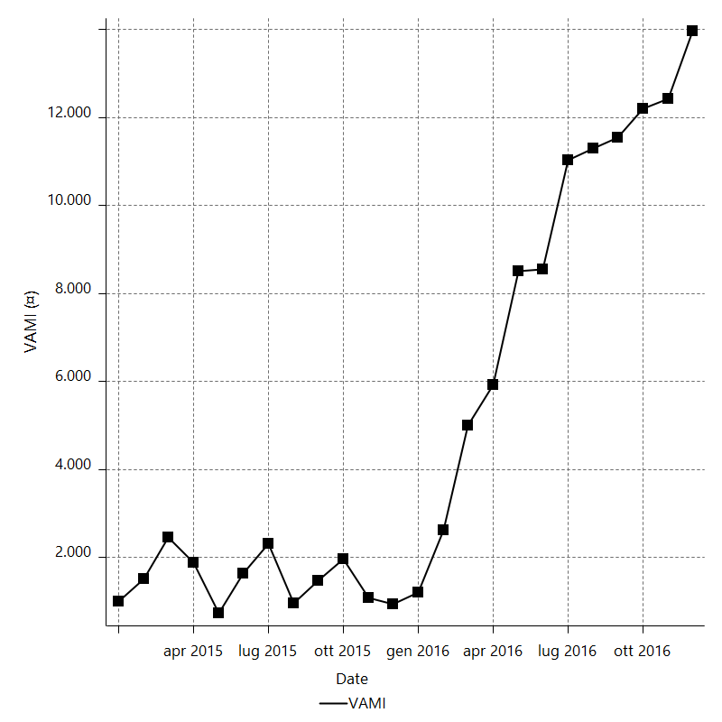
Strategy Performance Summary

 | All Trades | Long Trades | Short Trades
Net Profit | 1432793.933 | 885163.13125 | 547630.80175
Gross Profit | 5337069.4647 | 2903944.1375 | 2433125.3272
Gross Loss | -3904275.5318 | -2018781.0063 | -1885494.5255
Adjusted Net Profit | 833240.71039 | 445788.18962 | 139770.22469
Adjusted Gross Profit | 4965218.2152 | 2628313.9578 | 2183491.9359
Adjusted Gross Loss | -4131977.5048 | -2182525.7681 | -2043721.7112
Select Net Profit | 1432793.933 | 885163.13125 | 547630.80175
Select Gross Profit | 5337069.4647 | 2903944.1375 | 2433125.3272
Select Gross Loss | -3904275.5318 | -2018781.0063 | -1885494.5255
Account Size Required | 332145.3445 | 127523.834 | 308096.14725
Return on Account | 431.37558804 | 694.11583975 | 177.74672181
Return on Initial Capital | 1432.793933 | 885.16313125 | 547.63080175
Max Strategy Drawdown | -358189.561 | -145793.88475 | -329386.0685
Max Strategy Drawdown (%) | -91.742578633 | -49.329630055 | -151.88676962
Max Close To Close Drawdown | -332145.3445 | -127523.834 | -308096.14725
Max Close To Close Drawdown (%) | -88.396124471 | -44.220904348 | -148.88562554
Return on Max Strategy Drawdown | 4.0000996372 | 6.071332366 | 1.66258034
Profit Factor | 1.3669807424 | 1.4384641665 | 1.2904441219
Adjusted Profit Factor | 1.2016566425 | 1.2042533454 | 1.0683900474
Select Profit Factor | 1.3669807424 | 1.4384641665 | 1.2904441219
Max # Contracts Held | 250 | 250 | 250
Slippage Paid | 3608 | 1896 | 1712
Commission Paid | 434523.067 | 227728.36875 | 206794.69825
Open Position P/L | n/a | n/a | n/a
Annual Rate of Return | 745.19764552 | 460.3742842 | 284.82336132
Monthly Rate of Return | 62.099803794 | 38.364523683 | 23.73528011
Buy & Hold Return | 40512.204252 | 40512.204252 | 38527.533038
Avg Monthly Return | 59699.747208
Monthly Return StdDev | 104170.00864
Total # of Trades | 500 | 263 | 237
% Profitable | 41.2 | 42.205323194 | 40.084388186

Performance Ratios

Upside Potential Ratio | n/a
Sharpe Ratio | 0.4575796018
Annualized Sharpe Ratio | 1.5851022377
Sortino Ratio | 1.1585271632
Fouse Ratio | 0.11342338949
Calmar Ratio | 0.00064268612524
Sterling Ratio | 0.0016570131667
Net Profit as % of Largest loss | 10200.819757
Net Profit as % of Max Trade Drawdown | 3199.6813637
Net Profit as % of Max Strategy Drawdown | 400.00996372
Select Net Profit as % of Largest loss | 10200.819757
Select Net Profit as % of Max Trade Drawdown | 3199.6813637
Select Net Profit as % of Max Strategy Drawdown | 400.00996372
Adj Net Profit as % of Largest loss | 5932.2824483
Adj Net Profit as % of Max Trade Drawdown | 1860.7733541
Adj Net Profit as % of Max Strategy Drawdown | 232.62562651

Time Analysis

Trading Period | 1 Yr, 11 Mths, 8 Dys, 6 Hrs, 25 Mins
Time in the Market | 4 Mths, 25 Dys, 9 Hrs, 45 Mins
Percent in the Market | 20.705255299
Longest flat period | 3 Dys, 19 Hrs
Max Run-up Date | 2016-06-24
Max Drawdown Date | 2016-11-09
Max Strategy Drawdown Date | 8/7/15
Max Close To Close Drawdown Date | 8/6/15

Equity Curve Detailed

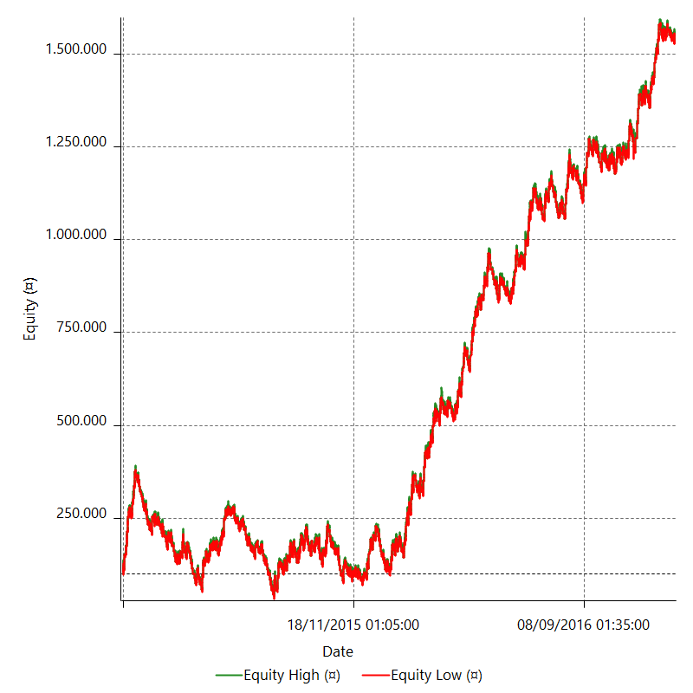

Equity Curve Detailed with DrawDown

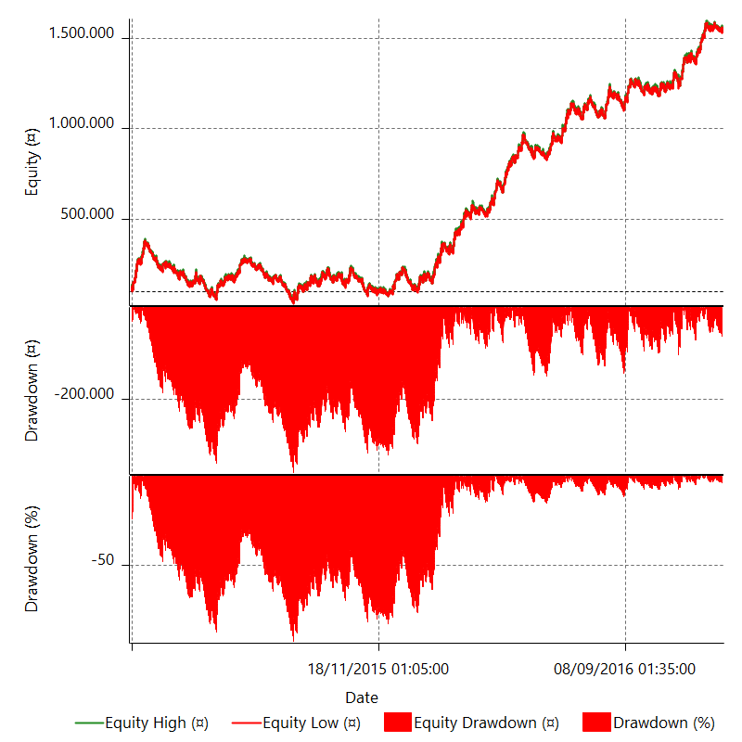

Equity Curve Detailed Long

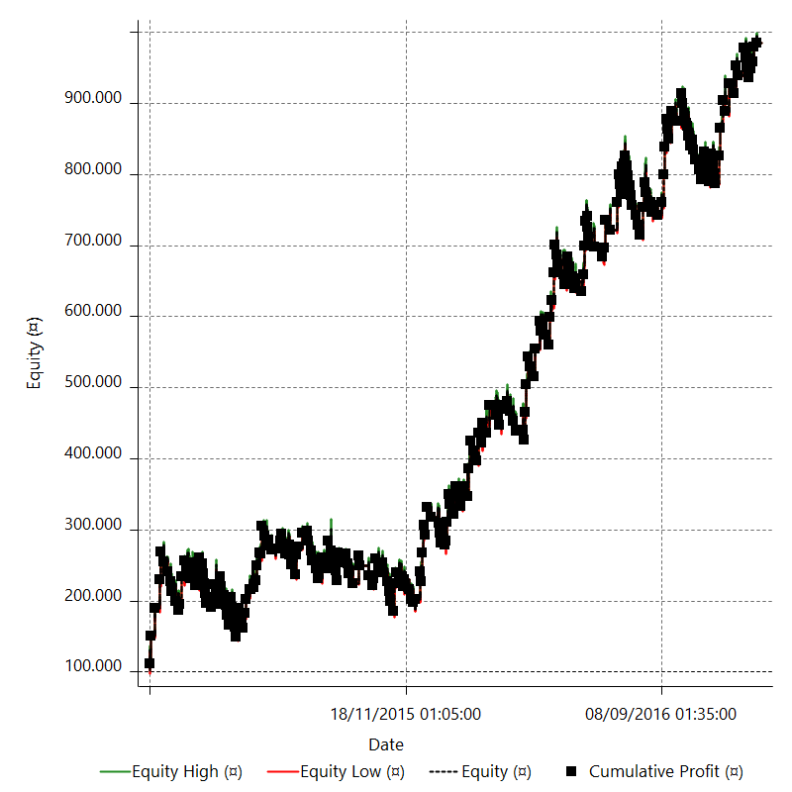

Equity Curve Detailed Short

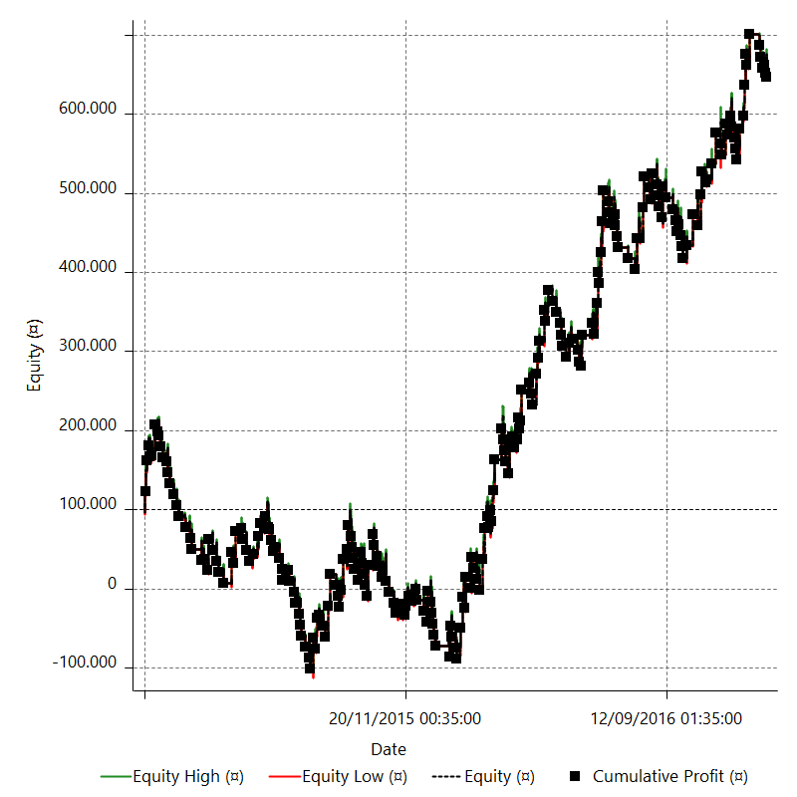

Equity Run-up & Drawdown

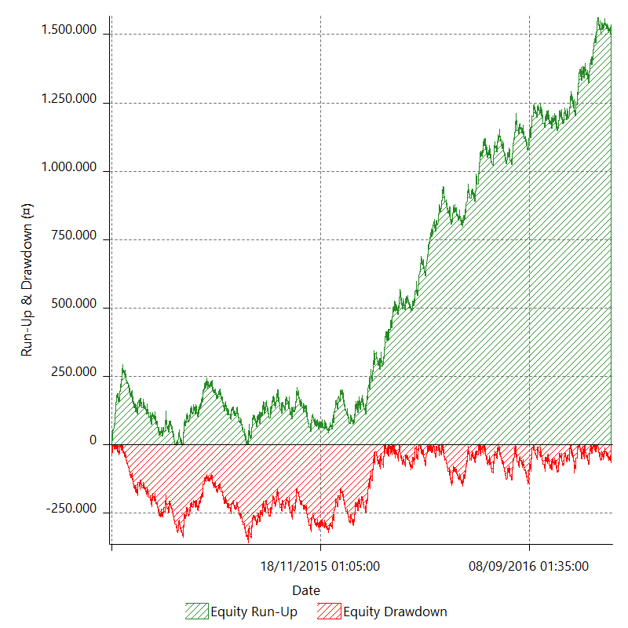

Equity Run-up & Drawdown (%)

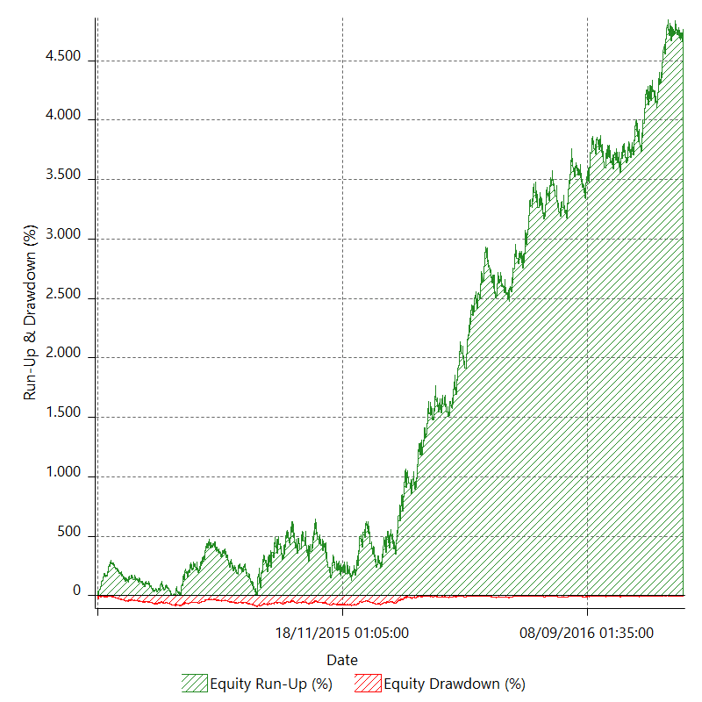

Equity Curve Close To Close

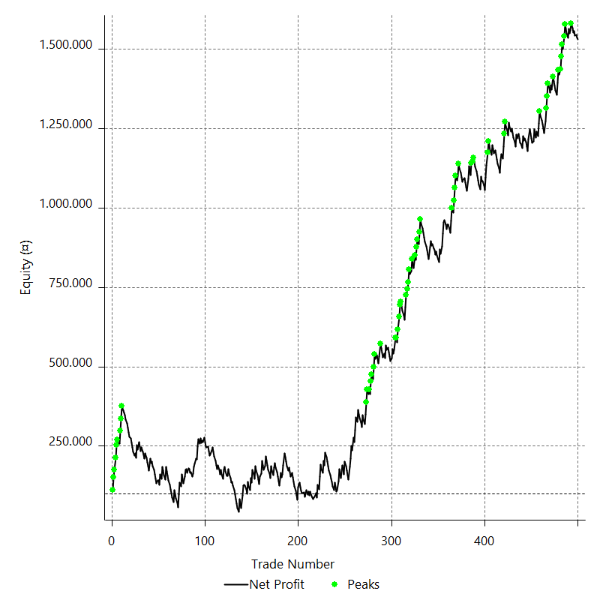

Equity Curve Close To Close With Drawdown

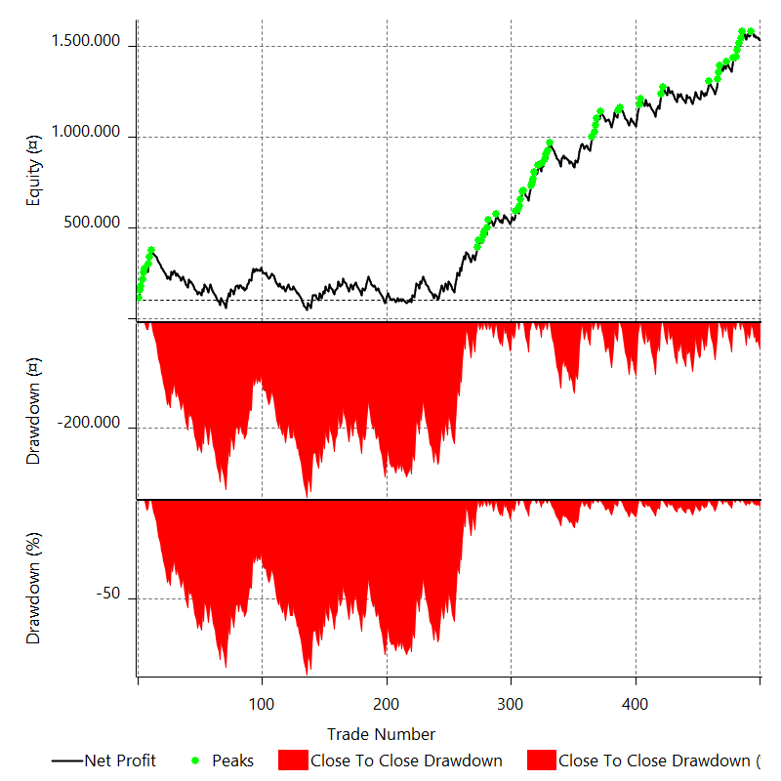

Buy & Hold Return

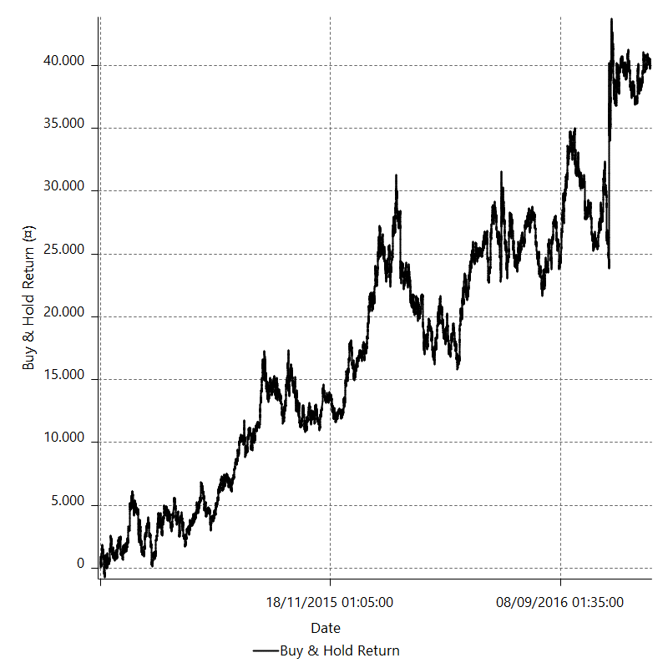

Value Added Monthly Index

Trade Analysis
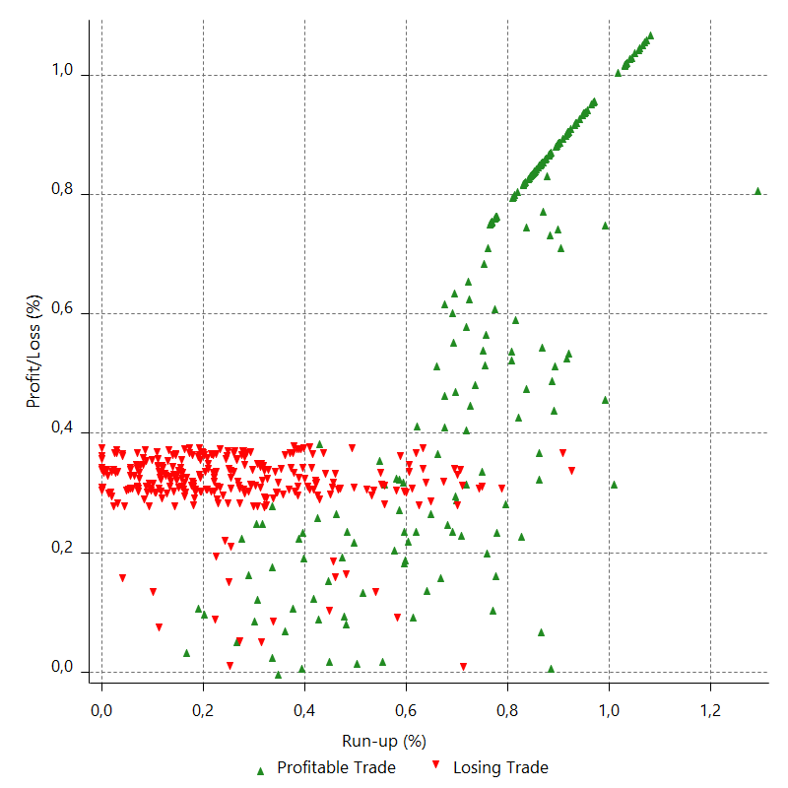
Total Trade Analysis

 | All Trades | Long Trades | Short Trades
Total # of Trades | 500 | 263 | 237
Total # of Open Trades | 0 | 0 | 0
Number Winning Trades | 206 | 111 | 95
Number Losing Trades | 294 | 152 | 142
% Profitable | 41.2 | 42.205323194 | 40.084388186
Avg Trade (win & loss) | 2865.587866 | 3365.6392823 | 2310.6784884
Average Winning Trade | 25908.104198 | 26161.658896 | 25611.84555
Average Losing Trade | -13279.848747 | -13281.453988 | -13278.130461
Ratio Avg Win / Avg Loss | 1.9509336808 | 1.9697887685 | 1.9288743716
Largest Winning Trade | 39258.901 | 39258.901 | 39256.3325
Largest Losing Trade | -14045.8705 | -14045.8695 | -14045.8705
Avg # Bars in Trades | 15 | 15.1 | 14.9
Avg # Bars in Winning Trades | 19.9 | 20 | 19.8
Avg # Bars in Losing Trades | 11.6 | 11.5 | 11.6
Avg # Bars Between Trades | n/a | n/a | n/a
Avg # Bars Between Winning Trades | 96.5 | 196 | 232.7
Avg # Bars Between Losing Trades | 70 | 146.2 | 157.3

Outliers

 | Total | Positive | Negative
1 Std. Deviation of Avg. Trade | 21404.740064 | 14141.950143 | 2343.1096778
Avg. Trade +1 Std. Deviation | 24270.32793 | 40050.054341 | -10936.73907
Avg. Trade - 1 Std. Deviation | -18539.152198 | 11766.154055 | -15622.958425
Number of Outliers | 0 | 0 | 0
Outlier Profit/Loss

Run-up/Drawdown

 | Run-up | Drawdown
Max Value | 62222.088 | -44779.26925
Max Value Date | 2016-06-24 | 2016-11-09
Avg Value | 20313.776933 | -9855.967202
Max Value (%) | 1.2924914211 | -0.89510337183
Max Value (%) Date | 2016-06-24 | 2016-11-09
Avg Value (%) | 0.46615571512 | -0.22901418408
1 Std. Deviation | 13813.027415 | 5252.8128225
Avg. Trade +1 Std. Deviation | 34126.804347 | -4603.1543795
Avg. Trade - 1 Std. Deviation | 6500.7495177 | -15108.780024

Trade Series Analysis

Z-score | -0.43945639244
Confidence Limits | 0.33966953929
Strategy ME | 2865.587866
Max Consec. Winners | 6
Max Consec. Losers | 13
Largest Consec. Profit | 170642.28325
Largest Consec. Loss | -156826.23
Largest Consec. Profit (%) | 170.64228325
Largest Consec. Loss (%) | -68.444089825

Trade Series Statistics

Consecutive Winners | Number of Series | Avg. Gain per Series | Avg. Loss Next Trade
1 | 65 | 24543.726431 | -13472.797558
2 | 32 | 26082.469418 | -13897.828906
3 | 14 | 24477.427589 | -13028.451143
4 | 6 | 29823.420937 | -11881.139667
5 | 1 | 31598.5719 | -13879.069
6 | 1 | 28440.380542 | -13748.632
Consecutive Losers | Number of Series | Avg. Loss per Series | Avg. Gain Next Trade
1 | 48 | -13460.848547 | 24456.455948
2 | 29 | -13408.620353 | 21244.615336
3 | 17 | -12449.158157 | 20860.291412
4 | 12 | -13407.262714 | 32491.071437
5 | 6 | -13859.9158 | 29624.749958
6 | 1 | -13834.611417 | 39172.387
7 | 2 | -13730.399161 | 39124.742
8 | 1 | -13775.950875 | 39224.462
9 | 2 | -13551.920944 | 31559.873
13 | 1 | -12063.556154 | 8760.574

Total Trades

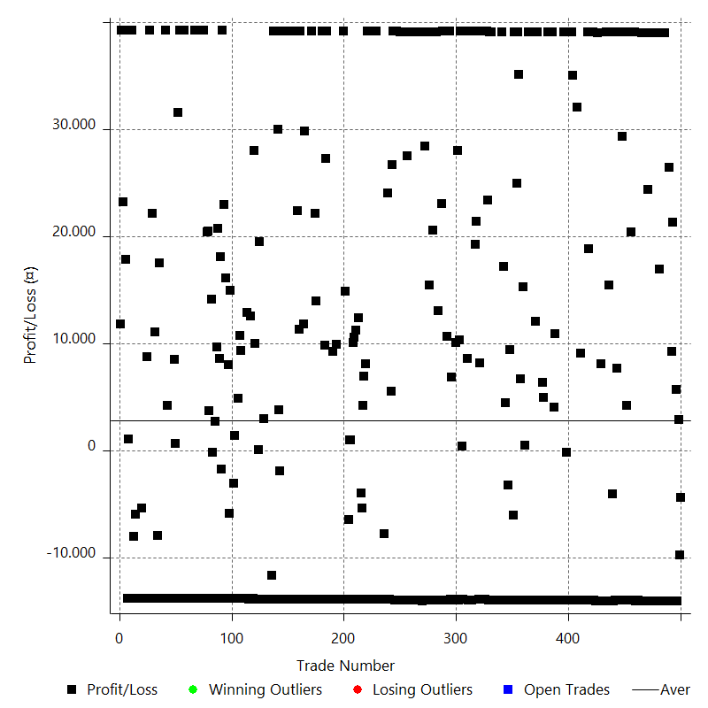

Winning Trades

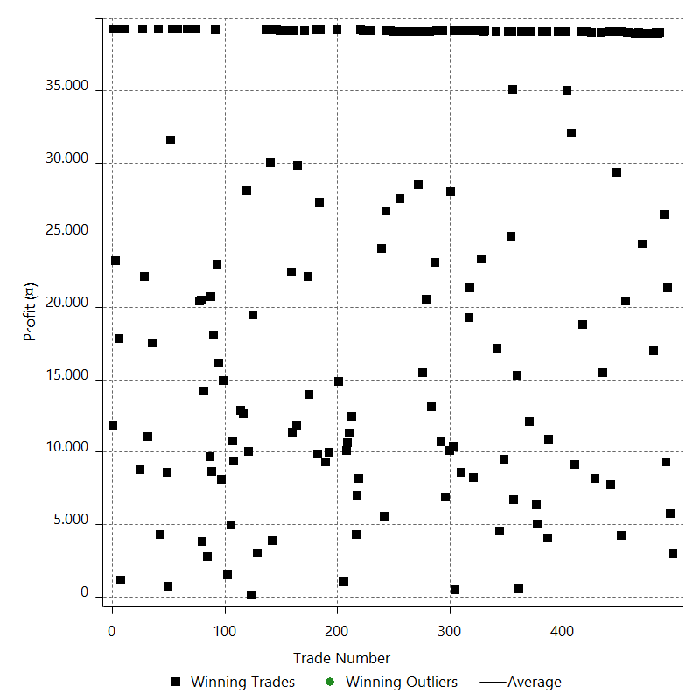

Losing Trades

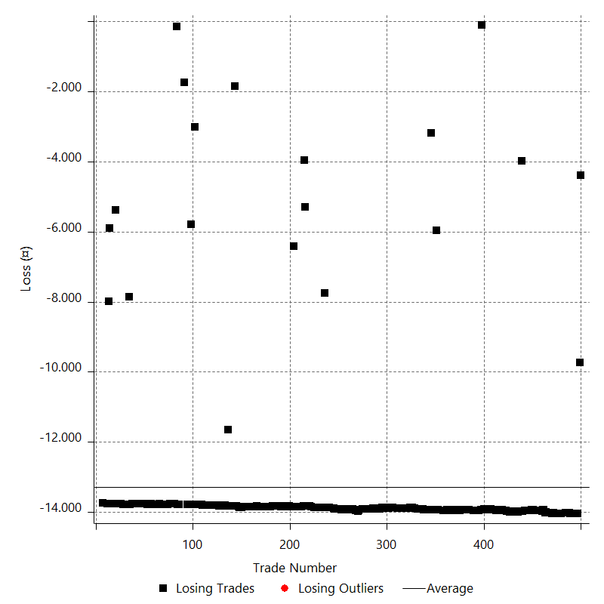

Drawdown

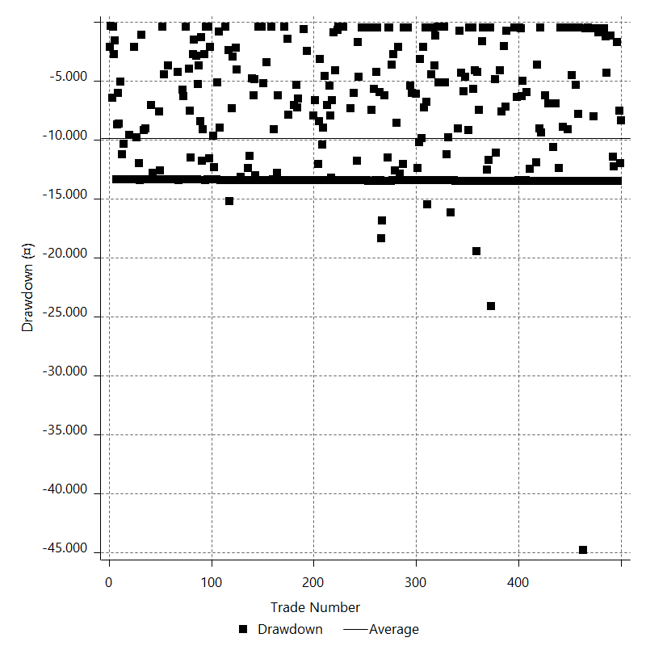

Drawdown P/L

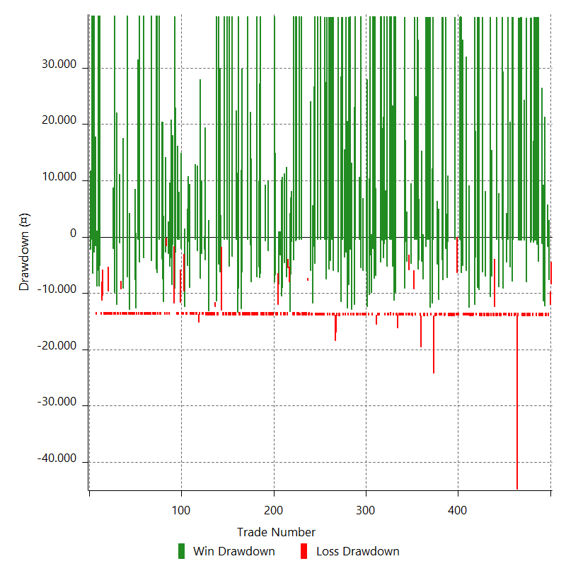

Maximum Adverse Excursion

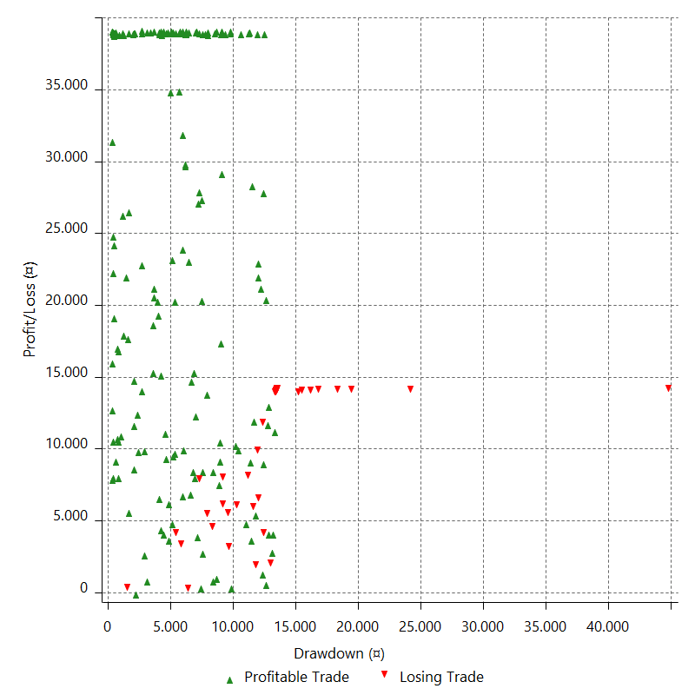

Maximum Adverse Excursion (%)

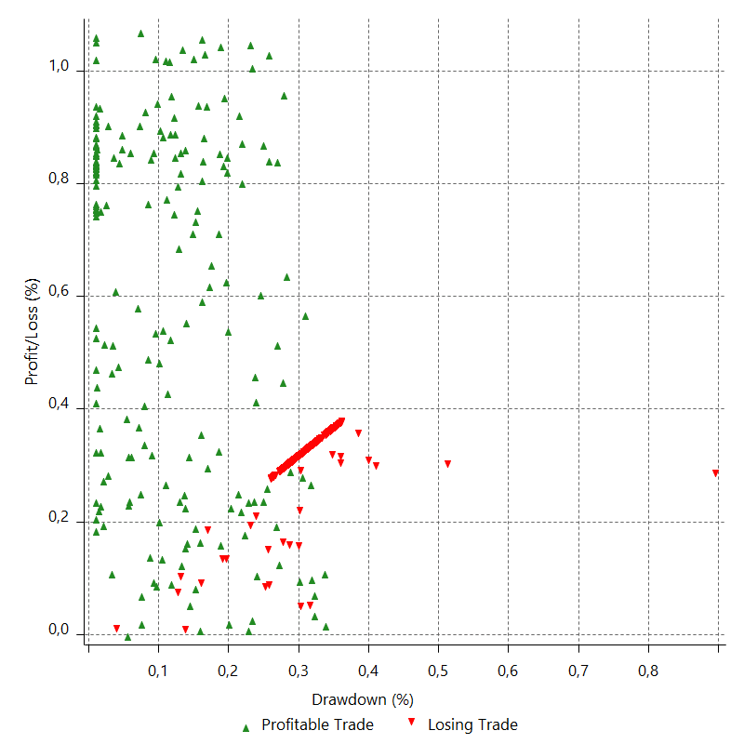

Run-up

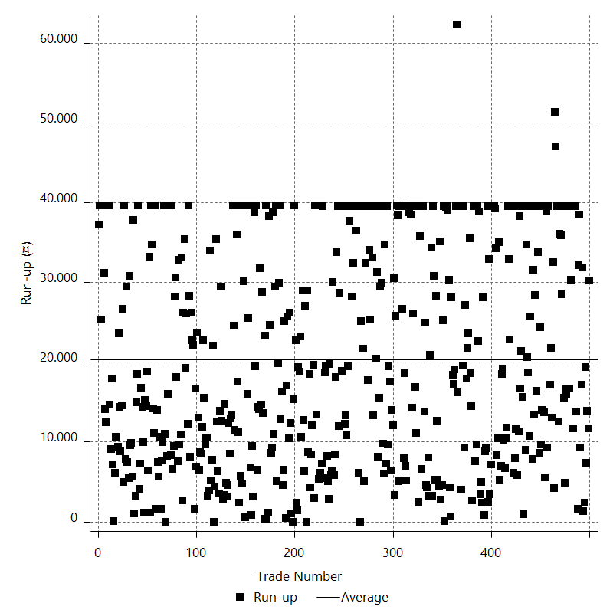

Run-up P/L

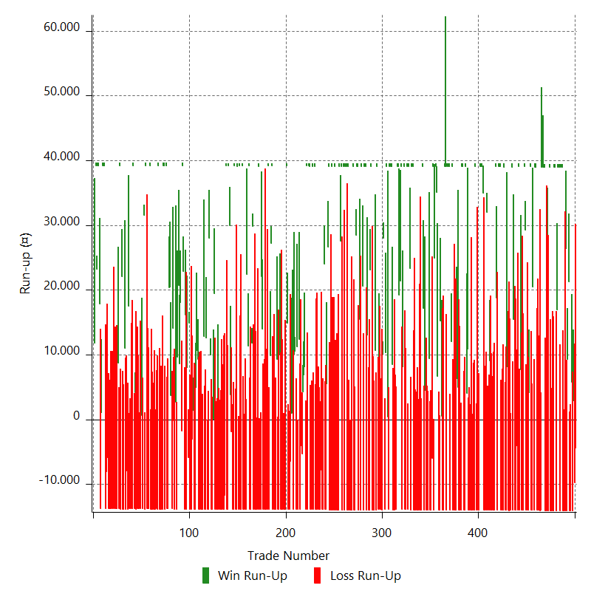

Maximum Favorable Excursion

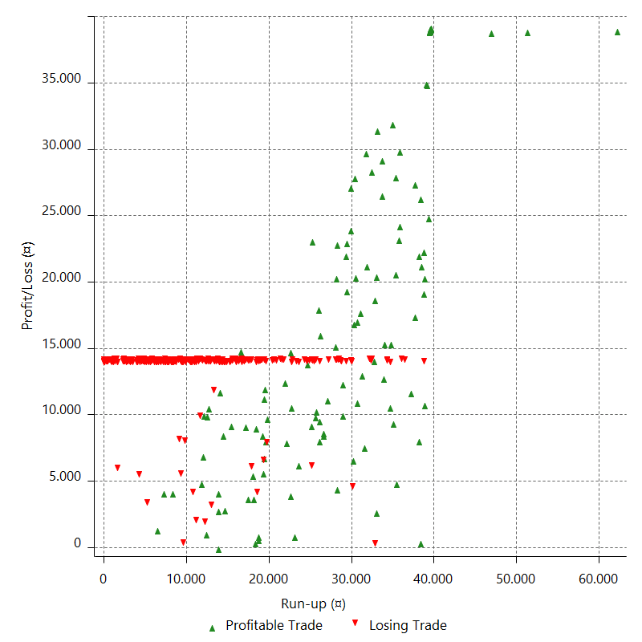

Maximum Favorable Excursion (%)

Periodical Analysis
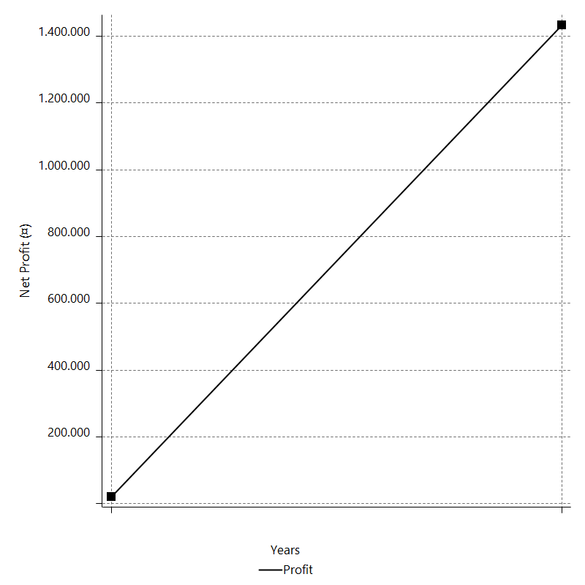
Daily Period Analysis

Period | Profit (¤) | Profit (%) | Gross Profit | Gross Loss | # Trades | % Profitable
2016-12-30 | -4388.6395 | -0.2854989107 | 0 | -4388.6395 | 1 | 0
2016-12-29 | -9738.178 | -0.62952016106 | 0 | -9738.178 | 1 | 0
2016-12-28 | 2919.7115 | 0.1891003585 | 2919.7115 | 0 | 1 | 100
2016-12-27 | -14040.153 | -0.90114132233 | 0 | -14040.153 | 1 | 0
2016-12-26 | 5747.2645 | 0.37024331528 | 5747.2645 | 0 | 1 | 100
2016-12-23 | -14045.8705 | -0.89673201932 | 0 | -14045.8705 | 1 | 0
2016-12-22 | -14040.199 | -0.88840652417 | 0 | -14040.199 | 1 | 0
2016-12-21 | 21309.19325 | 1.366788038 | 21309.19325 | 0 | 1 | 100
2016-12-20 | 9270.856 | 0.5981969488 | 9270.856 | 0 | 1 | 100
2016-12-19 | -14030.3475 | -0.89717839222 | 0 | -14030.3475 | 1 | 0
2016-12-16 | 26407.9335 | 1.7176759072 | 26407.9335 | 0 | 1 | 100
2016-12-15 | -14034.576 | -0.90460622261 | 0 | -14034.576 | 1 | 0
2016-12-14 | -14019.7905 | -0.89556045433 | 0 | -14019.7905 | 1 | 0
2016-12-13 | -14018.6315 | -0.88753863147 | 0 | -14018.6315 | 1 | 0
2016-12-12 | 38985.045 | 2.5306578363 | 38985.045 | 0 | 1 | 100
2016-12-09 | 38975.6515 | 2.5957210615 | 38975.6515 | 0 | 1 | 100
2016-12-08 | -14025.595 | -0.92543961374 | 0 | -14025.595 | 1 | 0
2016-12-07 | 38980.8575 | 2.6399432012 | 38980.8575 | 0 | 1 | 100
2016-12-06 | 38973.205 | 2.7109792038 | 38973.205 | 0 | 1 | 100
2016-12-05 | 16978.06175 | 1.1951094972 | 16978.06175 | 0 | 1 | 100
2016-12-02 | -14045.8695 | -0.97902864802 | 0 | -14045.8695 | 1 | 0
2016-12-01 | 38966.2255 | 2.7918613132 | 38966.2255 | 0 | 1 | 100
2016-11-30 | 38968.119 | 2.8721883923 | 38968.119 | 0 | 1 | 100
2016-11-29 | -14039.4215 | -1.0241928623 | 0 | -14039.4215 | 1 | 0
2016-11-28 | -14037.65 | -1.0136828716 | 0 | -14037.65 | 1 | 0
2016-11-25 | -14042.5745 | -1.0038589621 | 0 | -14042.5745 | 1 | 0
2016-11-24 | -14043.1825 | -0.99392439494 | 0 | -14043.1825 | 1 | 0
2016-11-23 | 38962.805 | 2.8358453793 | 38962.805 | 0 | 1 | 100
2016-11-22 | -14029.062 | -1.0107620979 | 0 | -14029.062 | 1 | 0
2016-11-21 | 24366.821 | 1.7869453379 | 24366.821 | 0 | 1 | 100
2016-11-18 | -14036.464 | -1.0188786932 | 0 | -14036.464 | 1 | 0
2016-11-17 | -14019.923 | -1.0074256658 | 0 | -14019.923 | 1 | 0
2016-11-16 | 38977.5175 | 2.8815015118 | 38977.5175 | 0 | 1 | 100
2016-11-15 | 38972.073 | 2.9665687992 | 38972.073 | 0 | 1 | 100
2016-11-14 | 38948.002 | 3.0553186531 | 38948.002 | 0 | 1 | 100
2016-11-11 | 38958.157 | 3.1524580244 | 38958.157 | 0 | 1 | 100
2016-11-10 | -13997.68 | -1.119993383 | 0 | -13997.68 | 1 | 0
2016-11-09 | -14009.8385 | -1.1085398611 | 0 | -14009.8385 | 1 | 0
2016-11-08 | -13935.9635 | -1.0906677095 | 0 | -13935.9635 | 1 | 0
2016-11-07 | -13938.191 | -1.0790710789 | 0 | -13938.191 | 1 | 0
2016-11-04 | -13966.0735 | -1.0696641681 | 0 | -13966.0735 | 1 | 0
2016-11-03 | 39026.3645 | 3.0811327005 | 39026.3645 | 0 | 1 | 100
2016-11-02 | 39027.2555 | 3.1791594012 | 39027.2555 | 0 | 1 | 100
2016-11-01 | -13949.672 | -1.1235723816 | 0 | -13949.672 | 1 | 0
2016-10-31 | 20444.31925 | 1.674251502 | 20444.31925 | 0 | 1 | 100
2016-10-28 | -13948.0925 | -1.1293543582 | 0 | -13948.0925 | 1 | 0
2016-10-27 | -13945.066 | -1.1165027707 | 0 | -13945.066 | 1 | 0
2016-10-26 | 39065.637 | 3.2287529981 | 39065.637 | 0 | 1 | 100
2016-10-25 | 4213.50425 | 0.34946073943 | 4213.50425 | 0 | 1 | 100
2016-10-24 | -13936.563 | -1.1426665893 | 0 | -13936.563 | 1 | 0
2016-10-21 | -13937.493 | -1.1298317689 | 0 | -13937.493 | 1 | 0
2016-10-20 | -13933.922 | -1.1169261356 | 0 | -13933.922 | 1 | 0
2016-10-19 | 29306.02325 | 2.405646851 | 29306.02325 | 0 | 1 | 100
2016-10-18 | 39060.7205 | 3.3125962731 | 39060.7205 | 0 | 1 | 100
2016-10-17 | -13955.7805 | -1.1696947108 | 0 | -13955.7805 | 1 | 0
2016-10-14 | -13957.125 | -1.1562811369 | 0 | -13957.125 | 1 | 0
2016-10-13 | -13957.547 | -1.1430982683 | 0 | -13957.547 | 1 | 0
2016-10-12 | 7689.85425 | 0.63377681628 | 7689.85425 | 0 | 1 | 100
2016-10-11 | -13954.451 | -1.1370111695 | 0 | -13954.451 | 1 | 0
2016-10-10 | 39049.5415 | 3.2863267942 | 39049.5415 | 0 | 1 | 100
2016-10-07 | -13970.32 | -1.1620502034 | 0 | -13970.32 | 1 | 0
2016-10-06 | -3982.78975 | -0.33019426774 | 0 | -3982.78975 | 1 | 0
2016-10-05 | -13971.6715 | -1.1450616883 | 0 | -13971.6715 | 1 | 0
2016-10-04 | -13972.666 | -1.1321781327 | 0 | -13972.666 | 1 | 0
2016-10-03 | 15441.6815 | 1.2670632378 | 15441.6815 | 0 | 1 | 100
2016-09-30 | -13986.8815 | -1.1346675291 | 0 | -13986.8815 | 1 | 0
2016-09-29 | 39022.241 | 3.2691165156 | 39022.241 | 0 | 1 | 100
2016-09-28 | -13979.68 | -1.1576004931 | 0 | -13979.68 | 1 | 0
2016-09-27 | -13984.282 | -1.1447258516 | 0 | -13984.282 | 1 | 0
2016-09-26 | -14000.388 | -1.1330589007 | 0 | -14000.388 | 1 | 0
2016-09-23 | -13990.4085 | -1.1195748541 | 0 | -13990.4085 | 1 | 0
2016-09-22 | 8142.47175 | 0.65587051852 | 8142.47175 | 0 | 1 | 100
2016-09-21 | -13997.059 | -1.1148837132 | 0 | -13997.059 | 1 | 0
2016-09-20 | -13991.821 | -1.102183039 | 0 | -13991.821 | 1 | 0
2016-09-19 | 39016.765 | 3.170940783 | 39016.765 | 0 | 1 | 100
2016-09-16 | -13975.344 | -1.1230381104 | 0 | -13975.344 | 1 | 0
2016-09-15 | -13974.394 | -1.1104913762 | 0 | -13974.394 | 1 | 0
2016-09-14 | -13960.027 | -1.0971781436 | 0 | -13960.027 | 1 | 0
2016-09-13 | 39044.5705 | 3.1658286881 | 39044.5705 | 0 | 1 | 100
2016-09-12 | 39044.0425 | 3.2692844211 | 39044.0425 | 0 | 1 | 100
2016-09-09 | 39056.845 | 3.3809247039 | 39056.845 | 0 | 1 | 100
2016-09-08 | -13927.049 | -1.1912227233 | 0 | -13927.049 | 1 | 0
2016-09-07 | 18802.82025 | 1.6345500713 | 18802.82025 | 0 | 1 | 100
2016-09-06 | 39073.531 | 3.5161383609 | 39073.531 | 0 | 1 | 100
2016-09-05 | -13934.315 | -1.2383890022 | 0 | -13934.315 | 1 | 0
2016-09-02 | -13945.3425 | -1.2241967373 | 0 | -13945.3425 | 1 | 0
2016-09-01 | -13948.86 | -1.2096927676 | 0 | -13948.86 | 1 | 0
2016-08-31 | -13949.382 | -1.1952783009 | 0 | -13949.382 | 1 | 0
2016-08-30 | -13941.7975 | -1.180525516 | 0 | -13941.7975 | 1 | 0
2016-08-29 | 9122.268 | 0.77844347268 | 9122.268 | 0 | 1 | 100
2016-08-26 | -13925.371 | -1.1743584342 | 0 | -13925.371 | 1 | 0
2016-08-25 | -13929.8755 | -1.1610984408 | 0 | -13929.8755 | 1 | 0
2016-08-24 | 32029.01425 | 2.7429468837 | 32029.01425 | 0 | 1 | 100
2016-08-23 | -13921.55 | -1.1781870197 | 0 | -13921.55 | 1 | 0
2016-08-22 | -13924.635 | -1.1647224549 | 0 | -13924.635 | 1 | 0
2016-08-19 | -13920.0145 | -1.1509352216 | 0 | -13920.0145 | 1 | 0
2016-08-18 | 35016.788 | 2.9815841299 | 35016.788 | 0 | 1 | 100
2016-08-17 | 39087.215 | 3.4427504888 | 39087.215 | 0 | 1 | 100
2016-08-16 | 39096.863 | 3.5664132896 | 39096.863 | 0 | 1 | 100
2016-08-15 | 39090.1535 | 3.697652177 | 39090.1535 | 0 | 1 | 100
2016-08-12 | -13919.2745 | -1.299554192 | 0 | -13919.2745 | 1 | 0
2016-08-11 | -13928.921 | -1.2837601041 | 0 | -13928.921 | 1 | 0
2016-08-10 | -103.524 | -0.0095403873601 | 0 | -103.524 | 1 | 0
2016-08-09 | -13935.2545 | -1.2679381683 | 0 | -13935.2545 | 1 | 0
2016-08-08 | 39065.074 | 3.6854422167 | 39065.074 | 0 | 1 | 100
2016-08-05 | -13952.9285 | -1.2992324344 | 0 | -13952.9285 | 1 | 0
2016-08-04 | -13951.35 | -1.2824256467 | 0 | -13951.35 | 1 | 0
2016-08-03 | -13955.532 | -1.2665624706 | 0 | -13955.532 | 1 | 0
2016-08-02 | -13949.7455 | -1.2502091904 | 0 | -13949.7455 | 1 | 0
2016-08-01 | -13943.922 | -1.2342628488 | 0 | -13943.922 | 1 | 0
2016-07-29 | -13954.2985 | -1.2201107567 | 0 | -13954.2985 | 1 | 0
2016-07-28 | -13947.8425 | -1.2048525345 | 0 | -13947.8425 | 1 | 0
2016-07-27 | 10880.29425 | 0.94878673747 | 10880.29425 | 0 | 1 | 100
2016-07-26 | 4038.815 | 0.35343876744 | 4038.815 | 0 | 1 | 100
2016-07-25 | 39063.5285 | 3.5394648923 | 39063.5285 | 0 | 1 | 100
2016-07-22 | -13936.461 | -1.2470070542 | 0 | -13936.461 | 1 | 0
2016-07-21 | -13938.6005 | -1.2318350641 | 0 | -13938.6005 | 1 | 0
2016-07-20 | 39067.136 | 3.5760562081 | 39067.136 | 0 | 1 | 100
2016-07-19 | 39069.923 | 3.7089551005 | 39069.923 | 0 | 1 | 100
2016-07-18 | -13932.4255 | -1.3053570833 | 0 | -13932.4255 | 1 | 0
2016-07-15 | -13929.201 | -1.288242698 | 0 | -13929.201 | 1 | 0
2016-07-14 | -13923.319 | -1.2713278291 | 0 | -13923.319 | 1 | 0
2016-07-13 | 4970.35225 | 0.45590823107 | 4970.35225 | 0 | 1 | 100
2016-07-12 | 6342.29375 | 0.58515444013 | 6342.29375 | 0 | 1 | 100
2016-07-11 | -13932.369 | -1.2691183839 | 0 | -13932.369 | 1 | 0
2016-07-08 | -13948.765 | -1.2546699321 | 0 | -13948.765 | 1 | 0
2016-07-07 | -13944.8485 | -1.23877942 | 0 | -13944.8485 | 1 | 0
2016-07-06 | -13951.545 | -1.2242018551 | 0 | -13951.545 | 1 | 0
2016-07-05 | 39064.867 | 3.5494822679 | 39064.867 | 0 | 1 | 100
2016-07-04 | 12082.9745 | 1.1100611226 | 12082.9745 | 0 | 1 | 100
2016-07-01 | -13922.1125 | -1.2628700732 | 0 | -13922.1125 | 1 | 0
2016-06-30 | 39072.3495 | 3.6744715595 | 39072.3495 | 0 | 1 | 100
2016-06-29 | 39062.41 | 3.8136319972 | 39062.41 | 0 | 1 | 100
2016-06-28 | 39049.288 | 3.9634515893 | 39049.288 | 0 | 1 | 100
2016-06-27 | -13953.1855 | -1.3964530658 | 0 | -13953.1855 | 1 | 0
2016-06-24 | 39037.176 | 4.0657355464 | 39037.176 | 0 | 1 | 100
2016-06-23 | 39081.241 | 4.2430300412 | 39081.241 | 0 | 1 | 100
2016-06-22 | -13938.681 | -1.4907555258 | 0 | -13938.681 | 1 | 0
2016-06-21 | -13939.3295 | -1.4689257725 | 0 | -13939.3295 | 1 | 0
2016-06-20 | 503.418 | 0.053078319158 | 503.418 | 0 | 1 | 100
2016-06-17 | 15266.52125 | 1.635972332 | 15266.52125 | 0 | 1 | 100
2016-06-16 | -13956.271 | -1.4735273351 | 0 | -13956.271 | 1 | 0
2016-06-15 | -13951.8635 | -1.4516778688 | 0 | -13951.8635 | 1 | 0
2016-06-14 | 6688.75625 | 0.70083613141 | 6688.75625 | 0 | 1 | 100
2016-06-13 | 35059.022 | 3.8135090547 | 35059.022 | 0 | 1 | 100
2016-06-10 | 39077.288 | 4.4392878094 | 39077.288 | 0 | 1 | 100
2016-06-09 | 24929.70425 | 2.9146279226 | 24929.70425 | 0 | 1 | 100
2016-06-08 | -13925.425 | -1.6019935135 | 0 | -13925.425 | 1 | 0
2016-06-07 | 39066.6905 | 4.7057567806 | 39066.6905 | 0 | 1 | 100
2016-06-06 | -5970.153 | -0.71399692881 | 0 | -5970.153 | 1 | 0
2016-06-03 | -13942.7555 | -1.6401269088 | 0 | -13942.7555 | 1 | 0
2016-06-02 | -13934.5215 | -1.6127232323 | 0 | -13934.5215 | 1 | 0
2016-06-01 | 9457.562 | 1.1066922839 | 9457.562 | 0 | 1 | 100
2016-05-31 | -13929.975 | -1.6038949843 | 0 | -13929.975 | 1 | 0
2016-05-30 | -3181.9975 | -0.36503725428 | 0 | -3181.9975 | 1 | 0
2016-05-27 | -13930.4765 | -1.5729602602 | 0 | -13930.4765 | 1 | 0
2016-05-26 | 4506.82175 | 0.51149085696 | 4506.82175 | 0 | 1 | 100
2016-05-25 | -13929.365 | -1.5562767977 | 0 | -13929.365 | 1 | 0
2016-05-24 | 17186.8655 | 1.9578199206 | 17186.8655 | 0 | 1 | 100
2016-05-23 | 39074.047 | 4.6584199069 | 39074.047 | 0 | 1 | 100
2016-05-20 | -13928.9455 | -1.633487264 | 0 | -13928.9455 | 1 | 0
2016-05-19 | -13929.5605 | -1.6073031356 | 0 | -13929.5605 | 1 | 0
2016-05-18 | -13924.823 | -1.5813480725 | 0 | -13924.823 | 1 | 0
2016-05-17 | -13920.628 | -1.556269058 | 0 | -13920.628 | 1 | 0
2016-05-16 | -13916.376 | -1.5319595713 | 0 | -13916.376 | 1 | 0
2016-05-13 | -13909.5545 | -1.5081162326 | 0 | -13909.5545 | 1 | 0
2016-05-12 | -13906.653 | -1.4854046868 | 0 | -13906.653 | 1 | 0
2016-05-11 | -13908.8125 | -1.463887321 | 0 | -13908.8125 | 1 | 0
2016-05-10 | -13915.929 | -1.4434943818 | 0 | -13915.929 | 1 | 0
2016-05-09 | 39098.531 | 4.2271148752 | 39098.531 | 0 | 1 | 100
2016-05-06 | 39094.989 | 4.4132689834 | 39094.989 | 0 | 1 | 100
2016-05-05 | -13894.178 | -1.544234722 | 0 | -13894.178 | 1 | 0
2016-05-04 | 23355.05 | 2.6649146654 | 23355.05 | 0 | 1 | 100
2016-05-03 | 39132.261 | 4.6738598551 | 39132.261 | 0 | 1 | 100
2016-05-02 | -13865.858 | -1.6291235939 | 0 | -13865.858 | 1 | 0
2016-04-29 | 39139.265 | 4.8201985635 | 39139.265 | 0 | 1 | 100
2016-04-28 | -13874.81 | -1.6800452454 | 0 | -13874.81 | 1 | 0
2016-04-27 | -13878.7685 | -1.6527496996 | 0 | -13878.7685 | 1 | 0
2016-04-26 | 39122.802 | 4.8865920194 | 39122.802 | 0 | 1 | 100
2016-04-25 | 8182.65675 | 1.0325996924 | 8182.65675 | 0 | 1 | 100
2016-04-22 | -13879.069 | -1.7213032214 | 0 | -13879.069 | 1 | 0
2016-04-21 | 39128.96 | 5.1003442531 | 39128.96 | 0 | 1 | 100
2016-04-20 | 21361.544 | 2.8641643008 | 21361.544 | 0 | 1 | 100
2016-04-19 | 19264.7245 | 2.6515110204 | 19264.7245 | 0 | 1 | 100
2016-04-18 | 39115.8365 | 5.6900676786 | 39115.8365 | 0 | 1 | 100
2016-04-15 | 39121.7945 | 6.0343449845 | 39121.7945 | 0 | 1 | 100
2016-04-14 | -13883.406 | -2.0965507741 | 0 | -13883.406 | 1 | 0
2016-04-13 | -13883.7885 | -2.0535535567 | 0 | -13883.7885 | 1 | 0
2016-04-12 | -13889.9735 | -2.0131096793 | 0 | -13889.9735 | 1 | 0
2016-04-11 | -13896.4955 | -1.9742916121 | 0 | -13896.4955 | 1 | 0
2016-04-08 | 8582.6955 | 1.2344055078 | 8582.6955 | 0 | 1 | 100
2016-04-07 | 39110.4815 | 5.9603344413 | 39110.4815 | 0 | 1 | 100
2016-04-06 | 39109.03 | 6.3378566709 | 39109.03 | 0 | 1 | 100
2016-04-05 | 39113.1765 | 6.7674877879 | 39113.1765 | 0 | 1 | 100
2016-04-04 | -13875.457 | -2.3444902986 | 0 | -13875.457 | 1 | 0
2016-04-01 | 477.81025 | 0.080799257736 | 477.81025 | 0 | 1 | 100
2016-03-31 | 39136.7005 | 7.0871823932 | 39136.7005 | 0 | 1 | 100
2016-03-30 | 10371.96325 | 1.9141899295 | 10371.96325 | 0 | 1 | 100
2016-03-29 | -13882.0215 | -2.4979880022 | 0 | -13882.0215 | 1 | 0
2016-03-28 | 28003.1595 | 5.306392942 | 28003.1595 | 0 | 1 | 100
2016-03-25 | 10072.22225 | 1.9457488988 | 10072.22225 | 0 | 1 | 100
2016-03-24 | -13888.6425 | -2.6128996306 | 0 | -13888.6425 | 1 | 0
2016-03-23 | -13877.058 | -2.5442957702 | 0 | -13877.058 | 1 | 0
2016-03-22 | -13879.174 | -2.4815364744 | 0 | -13879.174 | 1 | 0
2016-03-21 | 6868.70725 | 1.2433649493 | 6868.70725 | 0 | 1 | 100
2016-03-18 | -13876.3265 | -2.450326427 | 0 | -13876.3265 | 1 | 0
2016-03-17 | 39123.479 | 7.4212507464 | 39123.479 | 0 | 1 | 100
2016-03-16 | -13903.434 | -2.5695462755 | 0 | -13903.434 | 1 | 0
2016-03-15 | 10664.0695 | 2.0104911662 | 10664.0695 | 0 | 1 | 100
2016-03-14 | -13895.772 | -2.5528828034 | 0 | -13895.772 | 1 | 0
2016-03-11 | -13894.9885 | -2.4891961832 | 0 | -13894.9885 | 1 | 0
2016-03-10 | -13896.1765 | -2.4289426876 | 0 | -13896.1765 | 1 | 0
2016-03-09 | 39104.997 | 7.3367304784 | 39104.997 | 0 | 1 | 100
2016-03-08 | 23071.02775 | 4.5243340051 | 23071.02775 | 0 | 1 | 100
2016-03-07 | -13897.3395 | -2.6530279886 | 0 | -13897.3395 | 1 | 0
2016-03-04 | -13903.3255 | -2.5855459241 | 0 | -13903.3255 | 1 | 0
2016-03-03 | 13102.3755 | 2.4974492098 | 13102.3755 | 0 | 1 | 100
2016-03-02 | -13901.2905 | -2.5813323711 | 0 | -13901.2905 | 1 | 0
2016-03-01 | 39097.008 | 7.8282539265 | 39097.008 | 0 | 1 | 100
2016-02-29 | 39087.504 | 8.4908767933 | 39087.504 | 0 | 1 | 100
2016-02-26 | -13913.9755 | -2.9338220218 | 0 | -13913.9755 | 1 | 0
2016-02-25 | 20566.62425 | 4.5331444481 | 20566.62425 | 0 | 1 | 100
2016-02-24 | 39082.0295 | 9.426160108 | 39082.0295 | 0 | 1 | 100
2016-02-23 | -13916.218 | -3.2474418564 | 0 | -13916.218 | 1 | 0
2016-02-22 | 15481.8465 | 3.7482065545 | 15481.8465 | 0 | 1 | 100
2016-02-19 | -13920.9825 | -3.2604294062 | 0 | -13920.9825 | 1 | 0
2016-02-18 | 39087.0325 | 10.077075097 | 39087.0325 | 0 | 1 | 100
2016-02-17 | 39054.065 | 11.195837034 | 39054.065 | 0 | 1 | 100
2016-02-16 | 28446.164 | 8.8788686786 | 28446.164 | 0 | 1 | 100
2016-02-15 | -13952.0825 | -4.1731147868 | 0 | -13952.0825 | 1 | 0
2016-02-12 | -13966.1905 | -4.0098305026 | 0 | -13966.1905 | 1 | 0
2016-02-11 | 39042.247 | 12.624550665 | 39042.247 | 0 | 1 | 100
2016-02-10 | -13946.8955 | -4.3152066183 | 0 | -13946.8955 | 1 | 0
2016-02-09 | -13941.645 | -4.1352065693 | 0 | -13941.645 | 1 | 0
2016-02-08 | -13929.0295 | -3.967546908 | 0 | -13929.0295 | 1 | 0
2016-02-05 | -13919.482 | -3.8136237955 | 0 | -13919.482 | 1 | 0
2016-02-04 | 39090.679 | 11.994578428 | 39090.679 | 0 | 1 | 100
2016-02-03 | -13932.8705 | -4.0998834405 | 0 | -13932.8705 | 1 | 0
2016-02-02 | 39076.262 | 12.992527528 | 39076.262 | 0 | 1 | 100
2016-02-01 | 39082.506 | 14.935399577 | 39082.506 | 0 | 1 | 100
2016-01-29 | -13916.945 | -5.0498006582 | 0 | -13916.945 | 1 | 0
2016-01-28 | 39081.0015 | 16.523831815 | 39081.0015 | 0 | 1 | 100
2016-01-27 | -13932.3125 | -5.5630170663 | 0 | -13932.3125 | 1 | 0
2016-01-26 | 39067.3815 | 18.482247036 | 39067.3815 | 0 | 1 | 100
2016-01-25 | 27519.709 | 14.967901195 | 27519.709 | 0 | 1 | 100
2016-01-22 | 39069.199 | 26.983546561 | 39069.199 | 0 | 1 | 100
2016-01-21 | -13934.5035 | -8.7791069819 | 0 | -13934.5035 | 1 | 0
2016-01-20 | -13928.133 | -8.0671899455 | 0 | -13928.133 | 1 | 0
2016-01-19 | -13914.1445 | -7.4580379639 | 0 | -13914.1445 | 1 | 0
2016-01-18 | -13919.6065 | -6.9429541929 | 0 | -13919.6065 | 1 | 0
2016-01-15 | 39094.309 | 24.22334416 | 39094.309 | 0 | 1 | 100
2016-01-14 | -13903.3785 | -7.931443559 | 0 | -13903.3785 | 1 | 0
2016-01-13 | -13901.2855 | -7.3475690083 | 0 | -13901.2855 | 1 | 0
2016-01-12 | 39103.6195 | 26.053084376 | 39103.6195 | 0 | 1 | 100
2016-01-11 | -13904.268 | -8.4784003484 | 0 | -13904.268 | 1 | 0
2016-01-08 | -13896.066 | -7.8114994963 | 0 | -13896.066 | 1 | 0
2016-01-07 | 39110.663 | 28.181413763 | 39110.663 | 0 | 1 | 100
2016-01-06 | 26670.78925 | 23.789632931 | 26670.78925 | 0 | 1 | 100
2016-01-05 | 5566.219 | 5.2243012685 | 5566.219 | 0 | 1 | 100
2016-01-04 | -13874.3135 | -11.52169141 | 0 | -13874.3135 | 1 | 0
2015-12-31 | -13876.1205 | -10.332552177 | 0 | -13876.1205 | 1 | 0
2015-12-30 | 24045.699 | 21.810258665 | 24045.699 | 0 | 1 | 100
2015-12-29 | -13867.594 | -11.172993697 | 0 | -13867.594 | 1 | 0
2015-12-28 | -13870.767 | -10.052165371 | 0 | -13870.767 | 1 | 0
2015-12-24 | -7754.1035 | -5.3204333051 | 0 | -7754.1035 | 1 | 0
2015-12-23 | -13868.266 | -8.6888332933 | 0 | -13868.266 | 1 | 0
2015-12-22 | -13865.222 | -7.9926136981 | 0 | -13865.222 | 1 | 0
2015-12-21 | -13863.4195 | -7.4001834609 | 0 | -13863.4195 | 1 | 0
2015-12-18 | -13861.1345 | -6.8892319701 | 0 | -13861.1345 | 1 | 0
2015-12-17 | -13859.4055 | -6.4444545809 | 0 | -13859.4055 | 1 | 0
2015-12-16 | -13863.383 | -6.0559209888 | 0 | -13863.383 | 1 | 0
2015-12-15 | 39134.408 | 20.620023506 | 39134.408 | 0 | 1 | 100
2015-12-14 | -13875.5375 | -6.8129582587 | 0 | -13875.5375 | 1 | 0
2015-12-11 | 39130.845 | 23.782966585 | 39130.845 | 0 | 1 | 100
2015-12-10 | -13862.1295 | -7.7704610653 | 0 | -13862.1295 | 1 | 0
2015-12-09 | -13857.061 | -7.20774933 | 0 | -13857.061 | 1 | 0
2015-12-08 | 39146.3375 | 25.568140538 | 39146.3375 | 0 | 1 | 100
2015-12-07 | 39156.7355 | 34.363330222 | 39156.7355 | 0 | 1 | 100
2015-12-04 | -13842.355 | -10.831980549 | 0 | -13842.355 | 1 | 0
2015-12-03 | 39164.817 | 44.190752721 | 39164.817 | 0 | 1 | 100
2015-12-02 | -13834.969 | -13.502576842 | 0 | -13834.969 | 1 | 0
2015-12-01 | 8145.3555 | 8.6362083261 | 8145.3555 | 0 | 1 | 100
2015-11-30 | 6975.13375 | 7.9860745567 | 6975.13375 | 0 | 1 | 100
2015-11-27 | 4251.977 | 5.1173625058 | 4251.977 | 0 | 1 | 100
2015-11-26 | -5302.71425 | -5.9990923551 | 0 | -5302.71425 | 1 | 0
2015-11-25 | -3968.12 | -4.2963591658 | 0 | -3968.12 | 1 | 0
2015-11-24 | -13833.1355 | -13.026385675 | 0 | -13833.1355 | 1 | 0
2015-11-23 | 12440.76125 | 13.26980046 | 12440.76125 | 0 | 1 | 100
2015-11-20 | -13838.592 | -12.862217411 | 0 | -13838.592 | 1 | 0
2015-11-19 | 11257.59075 | 11.686067697 | 11257.59075 | 0 | 1 | 100
2015-11-18 | -13845.374 | -12.566276383 | 0 | -13845.374 | 1 | 0
2015-11-17 | 10604.901 | 10.650280701 | 10604.901 | 0 | 1 | 100
2015-11-16 | 10077.49325 | 11.260219718 | 10077.49325 | 0 | 1 | 100
2015-11-13 | -13844.001 | -13.396501776 | 0 | -13844.001 | 1 | 0
2015-11-12 | 975.7955 | 0.95325462196 | 975.7955 | 0 | 1 | 100
2015-11-11 | 978.19675 | 0.96482022908 | 978.19675 | 0 | 1 | 100
2015-11-10 | -6408.23375 | -5.9448526949 | 0 | -6408.23375 | 1 | 0
2015-11-09 | -13849.0465 | -11.384926437 | 0 | -13849.0465 | 1 | 0
2015-11-06 | -13839.8245 | -10.215134192 | 0 | -13839.8245 | 1 | 0
2015-11-05 | 14856.17175 | 12.315756427 | 14856.17175 | 0 | 1 | 100
2015-11-04 | 39172.387 | 48.090848131 | 39172.387 | 0 | 1 | 100
2015-11-03 | -13828.96 | -14.513422855 | 0 | -13828.96 | 1 | 0
2015-11-02 | -13833.1705 | -12.677362349 | 0 | -13833.1705 | 1 | 0
2015-10-30 | -13836.1785 | -11.253199882 | 0 | -13836.1785 | 1 | 0
2015-10-29 | -13838.825 | -10.116683908 | 0 | -13838.825 | 1 | 0
2015-10-28 | -13835.729 | -9.1853733256 | 0 | -13835.729 | 1 | 0
2015-10-27 | -13834.8055 | -8.4121265698 | 0 | -13834.8055 | 1 | 0
2015-10-26 | 9969.2785 | 6.4528846773 | 9969.2785 | 0 | 1 | 100
2015-10-23 | -13832.202 | -8.2175289663 | 0 | -13832.202 | 1 | 0
2015-10-22 | -13838.712 | -7.5968308852 | 0 | -13838.712 | 1 | 0
2015-10-21 | 9298.16625 | 5.37882541 | 9298.16625 | 0 | 1 | 100
2015-10-20 | -13833.025 | -7.4092603589 | 0 | -13833.025 | 1 | 0
2015-10-19 | -13828.045 | -6.8958457402 | 0 | -13828.045 | 1 | 0
2015-10-16 | -13828.356 | -6.4511307979 | 0 | -13828.356 | 1 | 0
2015-10-15 | -13829.7515 | -6.0607551221 | 0 | -13829.7515 | 1 | 0
2015-10-14 | 39169.496 | 20.722869602 | 39169.496 | 0 | 1 | 100
2015-10-13 | 27272.394 | 16.861519185 | 27272.394 | 0 | 1 | 100
2015-10-12 | 9865.1635 | 6.4954425925 | 9865.1635 | 0 | 1 | 100
2015-10-09 | -13829.4405 | -8.3456849791 | 0 | -13829.4405 | 1 | 0
2015-10-08 | 39167.353 | 30.95246838 | 39167.353 | 0 | 1 | 100
2015-10-07 | -13839.8725 | -9.8588498175 | 0 | -13839.8725 | 1 | 0
2015-10-06 | -13846.5085 | -8.9780227908 | 0 | -13846.5085 | 1 | 0
2015-10-05 | -13846.0375 | -8.2381220774 | 0 | -13846.0375 | 1 | 0
2015-10-02 | -13854 | -7.6151532205 | 0 | -13854 | 1 | 0
2015-10-01 | -13851.043 | -7.0748798907 | 0 | -13851.043 | 1 | 0
2015-09-30 | 13953.05975 | 7.6739067716 | 13953.05975 | 0 | 1 | 100
2015-09-29 | 22143.6455 | 13.867419867 | 22143.6455 | 0 | 1 | 100
2015-09-28 | -13856.5265 | -7.9847399991 | 0 | -13856.5265 | 1 | 0
2015-09-25 | -13850.343 | -7.3912667294 | 0 | -13850.343 | 1 | 0
2015-09-24 | 39136.2025 | 26.398476838 | 39136.2025 | 0 | 1 | 100
2015-09-23 | -13855.697 | -8.5472306826 | 0 | -13855.697 | 1 | 0
2015-09-22 | -13841.674 | -7.8668619282 | 0 | -13841.674 | 1 | 0
2015-09-21 | -13839.9665 | -7.2922880157 | 0 | -13839.9665 | 1 | 0
2015-09-18 | -13836.5065 | -6.7950725569 | 0 | -13836.5065 | 1 | 0
2015-09-17 | -13834.0145 | -6.3616479996 | 0 | -13834.0145 | 1 | 0
2015-09-16 | 29834.24375 | 15.900965536 | 29834.24375 | 0 | 1 | 100
2015-09-15 | 11846.37 | 6.739354933 | 11846.37 | 0 | 1 | 100
2015-09-14 | -13846.6225 | -7.3020845412 | 0 | -13846.6225 | 1 | 0
2015-09-11 | -13845.4765 | -6.8046406996 | 0 | -13845.4765 | 1 | 0
2015-09-10 | 39153.571 | 23.827995697 | 39153.571 | 0 | 1 | 100
2015-09-09 | 11344.59375 | 7.4160795727 | 11344.59375 | 0 | 1 | 100
2015-09-08 | 22411.31125 | 17.165314384 | 22411.31125 | 0 | 1 | 100
2015-09-07 | -13854.9085 | -9.5937143507 | 0 | -13854.9085 | 1 | 0
2015-09-04 | -13851.808 | -8.7521035241 | 0 | -13851.808 | 1 | 0
2015-09-03 | -13852.074 | -8.0478977266 | 0 | -13852.074 | 1 | 0
2015-09-02 | -13853.1155 | -7.4489720965 | 0 | -13853.1155 | 1 | 0
2015-09-01 | 39151.7615 | 26.666185108 | 39151.7615 | 0 | 1 | 100
2015-08-31 | -13847.1245 | -8.6184234126 | 0 | -13847.1245 | 1 | 0
2015-08-28 | -13850.626 | -7.9364342694 | 0 | -13850.626 | 1 | 0
2015-08-27 | 39150.5805 | 28.921393829 | 39150.5805 | 0 | 1 | 100
2015-08-26 | -13865.966 | -9.2913699479 | 0 | -13865.966 | 1 | 0
2015-08-25 | 39144.804 | 35.557064542 | 39144.804 | 0 | 1 | 100
2015-08-24 | -13862.921 | -11.1840132 | 0 | -13862.921 | 1 | 0
2015-08-21 | -13850.563 | -10.050946212 | 0 | -13850.563 | 1 | 0
2015-08-20 | 39160.0525 | 39.698555264 | 39160.0525 | 0 | 1 | 100
2015-08-19 | -13829.321 | -12.295698069 | 0 | -13829.321 | 1 | 0
2015-08-18 | -13829.3035 | -10.949381343 | 0 | -13829.3035 | 1 | 0
2015-08-17 | -1849.4295 | -1.4431578443 | 0 | -1849.4295 | 1 | 0
2015-08-14 | 3829.87175 | 3.0806139759 | 3829.87175 | 0 | 1 | 100
2015-08-13 | 29990.379 | 31.792598479 | 29990.379 | 0 | 1 | 100
2015-08-12 | 39183.0075 | 71.05023356 | 39183.0075 | 0 | 1 | 100
2015-08-11 | -13821.7325 | -20.040195346 | 0 | -13821.7325 | 1 | 0
2015-08-10 | -13815.5175 | -16.688316727 | 0 | -13815.5175 | 1 | 0
2015-08-07 | 39184.41 | 89.87011669 | 39184.41 | 0 | 1 | 100
2015-08-06 | -11652.42825 | -21.088999665 | 0 | -11652.42825 | 1 | 0
2015-08-05 | -13823.344 | -20.011520923 | 0 | -13823.344 | 1 | 0
2015-08-04 | -13815.909 | -16.667192748 | 0 | -13815.909 | 1 | 0
2015-08-03 | -13813.3105 | -14.283797655 | 0 | -13813.3105 | 1 | 0
2015-07-31 | -13820.273 | -12.504044621 | 0 | -13820.273 | 1 | 0
2015-07-30 | -13824.1915 | -11.117107686 | 0 | -13824.1915 | 1 | 0
2015-07-29 | -13820.513 | -10.002461042 | 0 | -13820.513 | 1 | 0
2015-07-28 | 2968.462 | 2.1955647346 | 2968.462 | 0 | 1 | 100
2015-07-27 | -13820.9195 | -9.2743170052 | 0 | -13820.9195 | 1 | 0
2015-07-24 | -13820.3935 | -8.4868926669 | 0 | -13820.3935 | 1 | 0
2015-07-23 | -13813.9005 | -7.8195780084 | 0 | -13813.9005 | 1 | 0
2015-07-22 | 19476.14175 | 12.390842816 | 19476.14175 | 0 | 1 | 100
2015-07-21 | 74.53425 | 0.047441651004 | 74.53425 | 0 | 1 | 100
2015-07-20 | -13805.1645 | -8.0773351066 | 0 | -13805.1645 | 1 | 0
2015-07-17 | -13800.283 | -7.4712171105 | 0 | -13800.283 | 1 | 0
2015-07-16 | 10031.7325 | 5.7428897957 | 10031.7325 | 0 | 1 | 100
2015-07-15 | 28028.53525 | 19.11222655 | 28028.53525 | 0 | 1 | 100
2015-07-14 | -13793.748 | -8.5971211069 | 0 | -13793.748 | 1 | 0
2015-07-13 | -13796.5015 | -7.9179828038 | 0 | -13796.5015 | 1 | 0
2015-07-10 | 12592.83775 | 7.7901972871 | 12592.83775 | 0 | 1 | 100
2015-07-09 | -13796.6445 | -7.8637359276 | 0 | -13796.6445 | 1 | 0
2015-07-08 | -13798.8065 | -7.2914944887 | 0 | -13798.8065 | 1 | 0
2015-07-07 | 12864.2055 | 7.2934175044 | 12864.2055 | 0 | 1 | 100
2015-07-06 | -13798.169 | -7.2553510016 | 0 | -13798.169 | 1 | 0
2015-07-03 | -13793.0025 | -6.7621969355 | 0 | -13793.0025 | 1 | 0
2015-07-02 | -13796.27 | -6.3352924315 | 0 | -13796.27 | 1 | 0
2015-07-01 | -13796.3235 | -5.9578672239 | 0 | -13796.3235 | 1 | 0
2015-06-30 | -13790.861 | -5.6207632525 | 0 | -13790.861 | 1 | 0
2015-06-29 | 9331.06475 | 3.9534289136 | 9331.06475 | 0 | 1 | 100
2015-06-26 | 10713.46725 | 4.754965791 | 10713.46725 | 0 | 1 | 100
2015-06-25 | 4935.09575 | 2.2393976378 | 4935.09575 | 0 | 1 | 100
2015-06-24 | -13778.9535 | -5.8845440427 | 0 | -13778.9535 | 1 | 0
2015-06-23 | -13776.908 | -5.5567307495 | 0 | -13776.908 | 1 | 0
2015-06-22 | 1457.87675 | 0.59149306855 | 1457.87675 | 0 | 1 | 100
2015-06-19 | -3024.86 | -1.2123741749 | 0 | -3024.86 | 1 | 0
2015-06-18 | -13772.4265 | -5.2312675585 | 0 | -13772.4265 | 1 | 0
2015-06-17 | -13776.9485 | -4.9727613156 | 0 | -13776.9485 | 1 | 0
2015-06-16 | 14941.067 | 5.7003652044 | 14941.067 | 0 | 1 | 100
2015-06-15 | -5801.63825 | -2.1655270972 | 0 | -5801.63825 | 1 | 0
2015-06-12 | 8050.48025 | 3.0980264221 | 8050.48025 | 0 | 1 | 100
2015-06-11 | -13780.238 | -5.0359264941 | 0 | -13780.238 | 1 | 0
2015-06-10 | 16110.68575 | 6.2558991849 | 16110.68575 | 0 | 1 | 100
2015-06-09 | -13788.0795 | -5.0819268233 | 0 | -13788.0795 | 1 | 0
2015-06-08 | 22950.87375 | 9.2407803222 | 22950.87375 | 0 | 1 | 100
2015-06-05 | 39214.1885 | 18.749231013 | 39214.1885 | 0 | 1 | 100
2015-06-04 | -1744.6845 | -0.82727401223 | 0 | -1744.6845 | 1 | 0
2015-06-03 | 18068.267 | 9.3701793336 | 18068.267 | 0 | 1 | 100
2015-06-02 | 8594.703 | 4.6651361126 | 8594.703 | 0 | 1 | 100
2015-06-01 | 20752.59775 | 12.694270571 | 20752.59775 | 0 | 1 | 100
2015-05-29 | 9676.76225 | 6.2916491874 | 9676.76225 | 0 | 1 | 100
2015-05-28 | -13774.016 | -8.2195005341 | 0 | -13774.016 | 1 | 0
2015-05-27 | 2745.83625 | 1.66584486 | 2745.83625 | 0 | 1 | 100
2015-05-26 | -13773.5665 | -7.7117466867 | 0 | -13773.5665 | 1 | 0
2015-05-25 | -145.377 | -0.08132961083 | 0 | -145.377 | 1 | 0
2015-05-22 | 14170.6665 | 8.6102138421 | 14170.6665 | 0 | 1 | 100
2015-05-21 | -13767.4335 | -7.7194576036 | 0 | -13767.4335 | 1 | 0
2015-05-20 | 3769.99675 | 2.1595016512 | 3769.99675 | 0 | 1 | 100
2015-05-19 | 20469.7725 | 13.282797298 | 20469.7725 | 0 | 1 | 100
2015-05-18 | 20418.344 | 15.273011743 | 20418.344 | 0 | 1 | 100
2015-05-15 | -13762.1025 | -9.3333300238 | 0 | -13762.1025 | 1 | 0
2015-05-14 | -13769.909 | -8.5410113559 | 0 | -13769.909 | 1 | 0
2015-05-13 | 39233.971 | 32.162396433 | 39233.971 | 0 | 1 | 100
2015-05-12 | -13776.493 | -10.147414239 | 0 | -13776.493 | 1 | 0
2015-05-11 | 39233.568 | 40.643906053 | 39233.568 | 0 | 1 | 100
2015-05-08 | 39235.0325 | 68.479004295 | 39235.0325 | 0 | 1 | 100
2015-05-07 | -13775.2455 | -19.382582804 | 0 | -13775.2455 | 1 | 0
2015-05-06 | -13772.8655 | -16.233337536 | 0 | -13772.8655 | 1 | 0
2015-05-05 | -13780.196 | -13.972557881 | 0 | -13780.196 | 1 | 0
2015-05-04 | -13783.3405 | -12.26203533 | 0 | -13783.3405 | 1 | 0
2015-05-01 | 39224.462 | 53.598388618 | 39224.462 | 0 | 1 | 100
2015-04-30 | -13771.793 | -15.838028629 | 0 | -13771.793 | 1 | 0
2015-04-29 | -13770.157 | -13.671161861 | 0 | -13770.157 | 1 | 0
2015-04-28 | -13775.459 | -12.031013163 | 0 | -13775.459 | 1 | 0
2015-04-27 | -13776.023 | -10.739394835 | 0 | -13776.023 | 1 | 0
2015-04-24 | -13775.2145 | -9.6973851885 | 0 | -13775.2145 | 1 | 0
2015-04-23 | -13779.182 | -8.8424452558 | 0 | -13779.182 | 1 | 0
2015-04-22 | -13779.605 | -8.1243072326 | 0 | -13779.605 | 1 | 0
2015-04-21 | -13780.1735 | -7.5141450022 | 0 | -13780.1735 | 1 | 0
2015-04-20 | 39227.183 | 27.210376051 | 39227.183 | 0 | 1 | 100
2015-04-17 | -13767.358 | -8.7173826945 | 0 | -13767.358 | 1 | 0
2015-04-16 | -13769.761 | -8.0196763525 | 0 | -13769.761 | 1 | 0
2015-04-15 | -13770.499 | -7.4246420012 | 0 | -13770.499 | 1 | 0
2015-04-14 | 39231.4675 | 26.827000309 | 39231.4675 | 0 | 1 | 100
2015-04-13 | -13772.4865 | -8.6072000791 | 0 | -13772.4865 | 1 | 0
2015-04-10 | 31551.42075 | 24.561317309 | 31551.42075 | 0 | 1 | 100
2015-04-09 | -13753.086 | -9.6707729757 | 0 | -13753.086 | 1 | 0
2015-04-08 | 711.6565 | 0.50293306183 | 711.6565 | 0 | 1 | 100
2015-04-07 | 8549.05075 | 6.430169401 | 8549.05075 | 0 | 1 | 100
2015-04-06 | -13750.2635 | -9.3728929501 | 0 | -13750.2635 | 1 | 0
2015-04-03 | -13757.7865 | -8.5739538255 | 0 | -13757.7865 | 1 | 0
2015-04-02 | -13762.4635 | -7.899351565 | 0 | -13762.4635 | 1 | 0
2015-04-01 | -13768.7485 | -7.3241355833 | 0 | -13768.7485 | 1 | 0
2015-03-31 | -13770.8225 | -6.8252713949 | 0 | -13770.8225 | 1 | 0
2015-03-30 | 4239.3725 | 2.1462688902 | 4239.3725 | 0 | 1 | 100
2015-03-27 | -13764.5805 | -6.5146219882 | 0 | -13764.5805 | 1 | 0
2015-03-26 | 39242.758 | 22.809626474 | 39242.758 | 0 | 1 | 100
2015-03-25 | -13755.848 | -7.4035554079 | 0 | -13755.848 | 1 | 0
2015-03-24 | -13755.7725 | -6.8931773681 | 0 | -13755.7725 | 1 | 0
2015-03-23 | -13759.437 | -6.4502669054 | 0 | -13759.437 | 1 | 0
2015-03-20 | -13768.183 | -6.0630363191 | 0 | -13768.183 | 1 | 0
2015-03-19 | 17522.80125 | 8.3616645912 | 17522.80125 | 0 | 1 | 100
2015-03-18 | -13778.782 | -6.1694213417 | 0 | -13778.782 | 1 | 0
2015-03-17 | -7867.4755 | -3.402778168 | 0 | -7867.4755 | 1 | 0
2015-03-16 | -13780.5845 | -5.625003849 | 0 | -13780.5845 | 1 | 0
2015-03-13 | 11073.91 | 4.7341782365 | 11073.91 | 0 | 1 | 100
2015-03-12 | -13779.228 | -5.5630196413 | 0 | -13779.228 | 1 | 0
2015-03-11 | -13789.5165 | -5.273583813 | 0 | -13789.5165 | 1 | 0
2015-03-10 | 22113.397 | 9.2381872621 | 22113.397 | 0 | 1 | 100
2015-03-09 | -13781.294 | -5.4439083981 | 0 | -13781.294 | 1 | 0
2015-03-06 | 39231.6145 | 18.339461578 | 39231.6145 | 0 | 1 | 100
2015-03-05 | -13761.7265 | -6.0443057979 | 0 | -13761.7265 | 1 | 0
2015-03-04 | 8760.574 | 4.0017189683 | 8760.574 | 0 | 1 | 100
2015-03-03 | -13756.1815 | -5.91215027 | 0 | -13756.1815 | 1 | 0
2015-03-02 | -13757.2035 | -5.5825181257 | 0 | -13757.2035 | 1 | 0
2015-02-27 | -13755.645 | -5.286783492 | 0 | -13755.645 | 1 | 0
2015-02-26 | -13755.0855 | -5.0211233339 | 0 | -13755.0855 | 1 | 0
2015-02-25 | -5376.38075 | -1.9248052366 | 0 | -5376.38075 | 1 | 0
2015-02-24 | -13761.87 | -4.6955596349 | 0 | -13761.87 | 1 | 0
2015-02-23 | -13761.074 | -4.4847176288 | 0 | -13761.074 | 1 | 0
2015-02-20 | -13758.6745 | -4.2915072134 | 0 | -13758.6745 | 1 | 0
2015-02-19 | -13753.065 | -4.113306656 | 0 | -13753.065 | 1 | 0
2015-02-18 | -13753.591 | -3.9509433426 | 0 | -13753.591 | 1 | 0
2015-02-17 | -5892.943 | -1.6646638318 | 0 | -5892.943 | 1 | 0
2015-02-16 | -7990.65925 | -2.2074092908 | 0 | -7990.65925 | 1 | 0
2015-02-13 | -13753.857 | -3.6604085394 | 0 | -13753.857 | 1 | 0
2015-02-12 | 39246.566 | 11.66317195 | 39246.566 | 0 | 1 | 100
2015-02-11 | 39244.203 | 13.202168641 | 39244.203 | 0 | 1 | 100
2015-02-10 | 39251.5235 | 15.21352065 | 39251.5235 | 0 | 1 | 100
2015-02-09 | 1110.557 | 0.43230223659 | 1110.557 | 0 | 1 | 100
2015-02-06 | -13748.632 | -5.080001482 | 0 | -13748.632 | 1 | 0
2015-02-05 | 17833.40825 | 7.0541068821 | 17833.40825 | 0 | 1 | 100
2015-02-04 | 39258.901 | 18.383940894 | 39258.901 | 0 | 1 | 100
2015-02-03 | 39256.3325 | 22.523100764 | 39256.3325 | 0 | 1 | 100
2015-02-02 | 23236.552 | 15.382629228 | 23236.552 | 0 | 1 | 100
2015-01-30 | 39253.6285 | 35.109493167 | 39253.6285 | 0 | 1 | 100
2015-01-29 | 11803.461 | 11.803461 | 11803.461 | 0 | 1 | 100

Daily Rolling Period Analysis

Period | Profit (¤) | Profit (%) | Gross Profit | Gross Loss | # Trades | % Profitable
Today - 30/12/2016 | -4388.6395 | -0.2854989107 | 0 | -4388.6395 | 1 | 0
29/12/2016 - 30/12/2016 | -14126.8175 | -0.91322179856 | 0 | -14126.8175 | 2 | 0
28/12/2016 - 30/12/2016 | -11207.106 | -0.72584834575 | 2919.7115 | -14126.8175 | 3 | 33.333333333
27/12/2016 - 30/12/2016 | -25247.259 | -1.6204487487 | 2919.7115 | -28166.9705 | 4 | 25
26/12/2016 - 30/12/2016 | -19499.9945 | -1.2562050366 | 8666.976 | -28166.9705 | 5 | 40
25/12/2016 - 30/12/2016 | -19499.9945 | -1.2562050366 | 8666.976 | -28166.9705 | 5 | 40
24/12/2016 - 30/12/2016 | -19499.9945 | -1.2562050366 | 8666.976 | -28166.9705 | 5 | 40
23/12/2016 - 30/12/2016 | -33545.865 | -2.1416722631 | 8666.976 | -42212.841 | 6 | 33.333333333
22/12/2016 - 30/12/2016 | -47586.064 | -3.0110520312 | 8666.976 | -56253.04 | 7 | 28.571428571
21/12/2016 - 30/12/2016 | -26276.87075 | -1.6854186921 | 29976.16925 | -56253.04 | 8 | 37.5
20/12/2016 - 30/12/2016 | -17006.01475 | -1.0973038665 | 39247.02525 | -56253.04 | 9 | 44.444444444
19/12/2016 - 30/12/2016 | -31036.36225 | -1.9846374856 | 39247.02525 | -70283.3875 | 10 | 40
18/12/2016 - 30/12/2016 | -31036.36225 | -1.9846374856 | 39247.02525 | -70283.3875 | 10 | 40
17/12/2016 - 30/12/2016 | -31036.36225 | -1.9846374856 | 39247.02525 | -70283.3875 | 10 | 40
16/12/2016 - 30/12/2016 | -4628.42875 | -0.30105121827 | 65654.95875 | -70283.3875 | 11 | 45.454545454
15/12/2016 - 30/12/2016 | -18663.00475 | -1.2029341128 | 65654.95875 | -84317.9635 | 12 | 41.666666667
14/12/2016 - 30/12/2016 | -32682.79525 | -2.087721565 | 65654.95875 | -98337.754 | 13 | 38.461538461
13/12/2016 - 30/12/2016 | -46701.42675 | -2.956730861 | 65654.95875 | -112356.3855 | 14 | 35.714285714
12/12/2016 - 30/12/2016 | -7716.38175 | -0.5008977659 | 104640.00375 | -112356.3855 | 15 | 40
11/12/2016 - 30/12/2016 | -7716.38175 | -0.5008977659 | 104640.00375 | -112356.3855 | 15 | 40
10/12/2016 - 30/12/2016 | -7716.38175 | -0.5008977659 | 104640.00375 | -112356.3855 | 15 | 40
09/12/2016 - 30/12/2016 | 31259.26975 | 2.0818213868 | 143615.65525 | -112356.3855 | 16 | 43.75
08/12/2016 - 30/12/2016 | 17233.67475 | 1.1371157733 | 143615.65525 | -126381.9805 | 17 | 41.176470588
07/12/2016 - 30/12/2016 | 56214.53225 | 3.807078185 | 182596.51275 | -126381.9805 | 18 | 44.444444444
06/12/2016 - 30/12/2016 | 95187.73725 | 6.6212664867 | 221569.71775 | -126381.9805 | 19 | 47.368421053
05/12/2016 - 30/12/2016 | 112165.799 | 7.8955073686 | 238547.7795 | -126381.9805 | 20 | 50
04/12/2016 - 30/12/2016 | 112165.799 | 7.8955073686 | 238547.7795 | -126381.9805 | 20 | 50
03/12/2016 - 30/12/2016 | 112165.799 | 7.8955073686 | 238547.7795 | -126381.9805 | 20 | 50
02/12/2016 - 30/12/2016 | 98119.9295 | 6.8391794415 | 238547.7795 | -140427.85 | 21 | 47.619047619
01/12/2016 - 30/12/2016 | 137086.155 | 9.8219811597 | 277514.005 | -140427.85 | 22 | 50
30/11/2016 - 30/12/2016 | 176054.274 | 12.976275355 | 316482.124 | -140427.85 | 23 | 52.173913044
29/11/2016 - 30/12/2016 | 162014.8525 | 11.819180407 | 316482.124 | -154467.2715 | 24 | 50
28/11/2016 - 30/12/2016 | 147977.2025 | 10.685688528 | 316482.124 | -168504.9215 | 25 | 48
27/11/2016 - 30/12/2016 | 147977.2025 | 10.685688528 | 316482.124 | -168504.9215 | 25 | 48
26/11/2016 - 30/12/2016 | 147977.2025 | 10.685688528 | 316482.124 | -168504.9215 | 25 | 48
25/11/2016 - 30/12/2016 | 133934.628 | 9.5745603236 | 316482.124 | -182547.496 | 26 | 46.153846154
24/11/2016 - 30/12/2016 | 119891.4455 | 8.4854720379 | 316482.124 | -196590.6785 | 27 | 44.444444444
23/11/2016 - 30/12/2016 | 158854.2505 | 11.561952284 | 355444.929 | -196590.6785 | 28 | 46.428571429
22/11/2016 - 30/12/2016 | 144825.1885 | 10.434326355 | 355444.929 | -210619.7405 | 29 | 44.827586207
21/11/2016 - 30/12/2016 | 169192.0095 | 12.407727401 | 379811.75 | -210619.7405 | 30 | 46.666666667
20/11/2016 - 30/12/2016 | 169192.0095 | 12.407727401 | 379811.75 | -210619.7405 | 30 | 46.666666667
19/11/2016 - 30/12/2016 | 169192.0095 | 12.407727401 | 379811.75 | -210619.7405 | 30 | 46.666666667
18/11/2016 - 30/12/2016 | 155155.5455 | 11.262429017 | 379811.75 | -224656.2045 | 31 | 45.161290323
17/11/2016 - 30/12/2016 | 141135.6225 | 10.14154275 | 379811.75 | -238676.1275 | 32 | 43.75
16/11/2016 - 30/12/2016 | 180113.14 | 13.31527297 | 418789.2675 | -238676.1275 | 33 | 45.454545454
15/11/2016 - 30/12/2016 | 219085.213 | 16.676848503 | 457761.3405 | -238676.1275 | 34 | 47.058823529
14/11/2016 - 30/12/2016 | 258033.215 | 20.241698019 | 496709.3425 | -238676.1275 | 35 | 48.571428571
13/11/2016 - 30/12/2016 | 258033.215 | 20.241698019 | 496709.3425 | -238676.1275 | 35 | 48.571428571
12/11/2016 - 30/12/2016 | 258033.215 | 20.241698019 | 496709.3425 | -238676.1275 | 35 | 48.571428571
11/11/2016 - 30/12/2016 | 296991.372 | 24.032267077 | 535667.4995 | -238676.1275 | 36 | 50
10/11/2016 - 30/12/2016 | 282993.692 | 22.643113893 | 535667.4995 | -252673.8075 | 37 | 48.648648649
09/11/2016 - 30/12/2016 | 268983.8535 | 21.283566088 | 535667.4995 | -266683.646 | 38 | 47.368421053
08/11/2016 - 30/12/2016 | 255047.89 | 19.960765396 | 535667.4995 | -280619.6095 | 39 | 46.153846154
07/11/2016 - 30/12/2016 | 241109.699 | 18.666303471 | 535667.4995 | -294557.8005 | 40 | 45
06/11/2016 - 30/12/2016 | 241109.699 | 18.666303471 | 535667.4995 | -294557.8005 | 40 | 45
05/11/2016 - 30/12/2016 | 241109.699 | 18.666303471 | 535667.4995 | -294557.8005 | 40 | 45
04/11/2016 - 30/12/2016 | 227143.6255 | 17.396972543 | 535667.4995 | -308523.874 | 41 | 43.902439024
03/11/2016 - 30/12/2016 | 266169.99 | 21.014129053 | 574693.864 | -308523.874 | 42 | 45.238095238
02/11/2016 - 30/12/2016 | 305197.2455 | 24.861361114 | 613721.1195 | -308523.874 | 43 | 46.511627907
01/11/2016 - 30/12/2016 | 291247.5735 | 23.458453345 | 613721.1195 | -322473.546 | 44 | 45.454545454
31/10/2016 - 30/12/2016 | 311691.89275 | 25.525458355 | 634165.43875 | -322473.546 | 45 | 46.666666667
30/10/2016 - 30/12/2016 | 311691.89275 | 25.525458355 | 634165.43875 | -322473.546 | 45 | 46.666666667
29/10/2016 - 30/12/2016 | 311691.89275 | 25.525458355 | 634165.43875 | -322473.546 | 45 | 46.666666667
28/10/2016 - 30/12/2016 | 297743.80025 | 24.10783112 | 634165.43875 | -336421.6385 | 46 | 45.652173913
27/10/2016 - 30/12/2016 | 283798.73425 | 22.722163747 | 634165.43875 | -350366.7045 | 47 | 44.680851064
26/10/2016 - 30/12/2016 | 322864.37125 | 26.684559288 | 673231.07575 | -350366.7045 | 48 | 45.833333333
25/10/2016 - 30/12/2016 | 327077.8755 | 27.127272086 | 677444.58 | -350366.7045 | 49 | 46.93877551
24/10/2016 - 30/12/2016 | 313141.3125 | 25.674631222 | 677444.58 | -364303.2675 | 50 | 46
23/10/2016 - 30/12/2016 | 313141.3125 | 25.674631222 | 677444.58 | -364303.2675 | 50 | 46
22/10/2016 - 30/12/2016 | 313141.3125 | 25.674631222 | 677444.58 | -364303.2675 | 50 | 46
21/10/2016 - 30/12/2016 | 299203.8195 | 24.254719313 | 677444.58 | -378240.7605 | 51 | 45.098039216
20/10/2016 - 30/12/2016 | 285269.8975 | 22.866885878 | 677444.58 | -392174.6825 | 52 | 44.230769231
19/10/2016 - 30/12/2016 | 314575.92075 | 25.822629249 | 706750.60325 | -392174.6825 | 53 | 45.283018868
18/10/2016 - 30/12/2016 | 353636.64125 | 29.990624976 | 745811.32375 | -392174.6825 | 54 | 46.296296296
17/10/2016 - 30/12/2016 | 339680.86075 | 28.470131511 | 745811.32375 | -406130.463 | 55 | 45.454545454
16/10/2016 - 30/12/2016 | 339680.86075 | 28.470131511 | 745811.32375 | -406130.463 | 55 | 45.454545454
15/10/2016 - 30/12/2016 | 339680.86075 | 28.470131511 | 745811.32375 | -406130.463 | 55 | 45.454545454
14/10/2016 - 30/12/2016 | 325723.73575 | 26.984655614 | 745811.32375 | -420087.588 | 56 | 44.642857143
13/10/2016 - 30/12/2016 | 311766.18875 | 25.533096215 | 745811.32375 | -434045.135 | 57 | 43.859649123
12/10/2016 - 30/12/2016 | 319456.043 | 26.328695875 | 753501.178 | -434045.135 | 58 | 44.827586207
11/10/2016 - 30/12/2016 | 305501.592 | 24.892324493 | 753501.178 | -447999.586 | 59 | 44.06779661
10/10/2016 - 30/12/2016 | 344551.1335 | 28.996694417 | 792550.7195 | -447999.586 | 60 | 45
09/10/2016 - 30/12/2016 | 344551.1335 | 28.996694417 | 792550.7195 | -447999.586 | 60 | 45
08/10/2016 - 30/12/2016 | 344551.1335 | 28.996694417 | 792550.7195 | -447999.586 | 60 | 45
07/10/2016 - 30/12/2016 | 330580.8135 | 27.497688067 | 792550.7195 | -461969.906 | 61 | 44.262295082
06/10/2016 - 30/12/2016 | 326598.02375 | 27.076698009 | 792550.7195 | -465952.69575 | 62 | 43.548387097
05/10/2016 - 30/12/2016 | 312626.35225 | 25.621591426 | 792550.7195 | -479924.36725 | 63 | 42.857142857
04/10/2016 - 30/12/2016 | 298653.68625 | 24.199331238 | 792550.7195 | -493897.03325 | 64 | 42.1875
03/10/2016 - 30/12/2016 | 314095.36775 | 25.773015306 | 807992.401 | -493897.03325 | 65 | 43.076923077
02/10/2016 - 30/12/2016 | 314095.36775 | 25.773015306 | 807992.401 | -493897.03325 | 65 | 43.076923077
01/10/2016 - 30/12/2016 | 314095.36775 | 25.773015306 | 807992.401 | -493897.03325 | 65 | 43.076923077
30/09/2016 - 30/12/2016 | 300108.48625 | 24.34590974 | 807992.401 | -507883.91475 | 66 | 42.424242424
29/09/2016 - 30/12/2016 | 339130.72725 | 28.410922412 | 847014.642 | -507883.91475 | 67 | 43.28358209
28/09/2016 - 30/12/2016 | 325151.04725 | 26.924436941 | 847014.642 | -521863.59475 | 68 | 42.647058824
27/09/2016 - 30/12/2016 | 311166.76525 | 25.4715001 | 847014.642 | -535847.87675 | 69 | 42.028985507
26/09/2016 - 30/12/2016 | 297166.37725 | 24.0498341 | 847014.642 | -549848.26475 | 70 | 41.428571429
25/09/2016 - 30/12/2016 | 297166.37725 | 24.0498341 | 847014.642 | -549848.26475 | 70 | 41.428571429
24/09/2016 - 30/12/2016 | 297166.37725 | 24.0498341 | 847014.642 | -549848.26475 | 70 | 41.428571429
23/09/2016 - 30/12/2016 | 283175.96875 | 22.661003351 | 847014.642 | -563838.67325 | 71 | 40.845070423
22/09/2016 - 30/12/2016 | 291318.4405 | 23.465500709 | 855157.11375 | -563838.67325 | 72 | 41.666666667
21/09/2016 - 30/12/2016 | 277321.3815 | 22.089003951 | 855157.11375 | -577835.73225 | 73 | 41.095890411
20/09/2016 - 30/12/2016 | 263329.5605 | 20.743359657 | 855157.11375 | -591827.55325 | 74 | 40.54054054
19/09/2016 - 30/12/2016 | 302346.3255 | 24.572060091 | 894173.87875 | -591827.55325 | 75 | 41.333333333
18/09/2016 - 30/12/2016 | 302346.3255 | 24.572060091 | 894173.87875 | -591827.55325 | 75 | 41.333333333
17/09/2016 - 30/12/2016 | 302346.3255 | 24.572060091 | 894173.87875 | -591827.55325 | 75 | 41.333333333
16/09/2016 - 30/12/2016 | 288370.9815 | 23.173068381 | 894173.87875 | -605802.89725 | 76 | 40.789473684
15/09/2016 - 30/12/2016 | 274396.5875 | 21.805242079 | 894173.87875 | -619777.29125 | 77 | 40.25974026
14/09/2016 - 30/12/2016 | 260436.5605 | 20.468821585 | 894173.87875 | -633737.31825 | 78 | 39.743589744
13/09/2016 - 30/12/2016 | 299481.131 | 24.282658099 | 933218.44925 | -633737.31825 | 79 | 40.506329114
12/09/2016 - 30/12/2016 | 338525.1735 | 28.345811678 | 972262.49175 | -633737.31825 | 80 | 41.25
11/09/2016 - 30/12/2016 | 338525.1735 | 28.345811678 | 972262.49175 | -633737.31825 | 80 | 41.25
10/09/2016 - 30/12/2016 | 338525.1735 | 28.345811678 | 972262.49175 | -633737.31825 | 80 | 41.25
09/09/2016 - 30/12/2016 | 377582.0185 | 32.685086932 | 1011319.3367 | -633737.31825 | 81 | 41.975308642
08/09/2016 - 30/12/2016 | 363654.9695 | 31.104512026 | 1011319.3367 | -647664.36725 | 82 | 41.463414634
07/09/2016 - 30/12/2016 | 382457.78975 | 33.247480921 | 1030122.157 | -647664.36725 | 83 | 42.168674699
06/09/2016 - 30/12/2016 | 421531.32075 | 37.932646712 | 1069195.688 | -647664.36725 | 84 | 42.857142857
05/09/2016 - 30/12/2016 | 407597.00575 | 36.224503985 | 1069195.688 | -661598.68225 | 85 | 42.352941176
04/09/2016 - 30/12/2016 | 407597.00575 | 36.224503985 | 1069195.688 | -661598.68225 | 85 | 42.352941176
03/09/2016 - 30/12/2016 | 407597.00575 | 36.224503985 | 1069195.688 | -661598.68225 | 85 | 42.352941176
02/09/2016 - 30/12/2016 | 393651.66325 | 34.556848052 | 1069195.688 | -675544.02475 | 86 | 41.860465116
01/09/2016 - 30/12/2016 | 379702.80325 | 32.929123593 | 1069195.688 | -689492.88475 | 87 | 41.379310345
31/08/2016 - 30/12/2016 | 365753.42125 | 31.340250623 | 1069195.688 | -703442.26675 | 88 | 40.909090909
30/08/2016 - 30/12/2016 | 351811.62375 | 29.789745451 | 1069195.688 | -717384.06425 | 89 | 40.449438202
29/08/2016 - 30/12/2016 | 360933.89175 | 30.800085253 | 1078317.956 | -717384.06425 | 90 | 41.111111111
28/08/2016 - 30/12/2016 | 360933.89175 | 30.800085253 | 1078317.956 | -717384.06425 | 90 | 41.111111111
27/08/2016 - 30/12/2016 | 360933.89175 | 30.800085253 | 1078317.956 | -717384.06425 | 90 | 41.111111111
26/08/2016 - 30/12/2016 | 347008.52075 | 29.26402342 | 1078317.956 | -731309.43525 | 91 | 40.659340659
25/08/2016 - 30/12/2016 | 333078.64525 | 27.763140859 | 1078317.956 | -745239.31075 | 92 | 40.217391304
24/08/2016 - 30/12/2016 | 365107.6595 | 31.26761595 | 1110346.9702 | -745239.31075 | 93 | 40.860215054
23/08/2016 - 30/12/2016 | 351186.1095 | 29.721037938 | 1110346.9702 | -759160.86075 | 94 | 40.425531915
22/08/2016 - 30/12/2016 | 337261.4745 | 28.21014788 | 1110346.9702 | -773085.49575 | 95 | 40
21/08/2016 - 30/12/2016 | 337261.4745 | 28.21014788 | 1110346.9702 | -773085.49575 | 95 | 40
20/08/2016 - 30/12/2016 | 337261.4745 | 28.21014788 | 1110346.9702 | -773085.49575 | 95 | 40
19/08/2016 - 30/12/2016 | 323341.46 | 26.734532131 | 1110346.9702 | -787005.51025 | 96 | 39.583333333
18/08/2016 - 30/12/2016 | 358358.248 | 30.513228828 | 1145363.7582 | -787005.51025 | 97 | 40.206185567
17/08/2016 - 30/12/2016 | 397445.463 | 35.006473651 | 1184450.9732 | -787005.51025 | 98 | 40.816326531
16/08/2016 - 30/12/2016 | 436542.326 | 39.821362469 | 1223547.8362 | -787005.51025 | 99 | 41.414141414
15/08/2016 - 30/12/2016 | 475632.4795 | 44.991470123 | 1262637.9897 | -787005.51025 | 100 | 42
14/08/2016 - 30/12/2016 | 475632.4795 | 44.991470123 | 1262637.9897 | -787005.51025 | 100 | 42
13/08/2016 - 30/12/2016 | 475632.4795 | 44.991470123 | 1262637.9897 | -787005.51025 | 100 | 42
12/08/2016 - 30/12/2016 | 461713.205 | 43.107227395 | 1262637.9897 | -800924.78475 | 101 | 41.584158416
11/08/2016 - 30/12/2016 | 447784.284 | 41.270073903 | 1262637.9897 | -814853.70575 | 102 | 41.176470588
10/08/2016 - 30/12/2016 | 447680.76 | 41.256596191 | 1262637.9897 | -814957.22975 | 103 | 40.776699029
09/08/2016 - 30/12/2016 | 433745.5055 | 39.465549893 | 1262637.9897 | -828892.48425 | 104 | 40.384615385
08/08/2016 - 30/12/2016 | 472810.5795 | 44.605472146 | 1301703.0637 | -828892.48425 | 105 | 40.952380952
07/08/2016 - 30/12/2016 | 472810.5795 | 44.605472146 | 1301703.0637 | -828892.48425 | 105 | 40.952380952
06/08/2016 - 30/12/2016 | 472810.5795 | 44.605472146 | 1301703.0637 | -828892.48425 | 105 | 40.952380952
05/08/2016 - 30/12/2016 | 458857.651 | 42.72671095 | 1301703.0637 | -842845.41275 | 106 | 40.566037736
04/08/2016 - 30/12/2016 | 444906.301 | 40.896347004 | 1301703.0637 | -856796.76275 | 107 | 40.186915888
03/08/2016 - 30/12/2016 | 430950.769 | 39.111806751 | 1301703.0637 | -870752.29475 | 108 | 39.814814815
02/08/2016 - 30/12/2016 | 417001.0235 | 37.372618158 | 1301703.0637 | -884702.04025 | 109 | 39.449541284
01/08/2016 - 30/12/2016 | 403057.1015 | 35.677078968 | 1301703.0637 | -898645.96225 | 110 | 39.090909091
31/07/2016 - 30/12/2016 | 403057.1015 | 35.677078968 | 1301703.0637 | -898645.96225 | 110 | 39.090909091
30/07/2016 - 30/12/2016 | 403057.1015 | 35.677078968 | 1301703.0637 | -898645.96225 | 110 | 39.090909091
29/07/2016 - 30/12/2016 | 389102.803 | 34.021668333 | 1301703.0637 | -912600.26075 | 111 | 38.738738739
28/07/2016 - 30/12/2016 | 375154.9605 | 32.406904865 | 1301703.0637 | -926548.10325 | 112 | 38.392857143
27/07/2016 - 30/12/2016 | 386035.25475 | 33.663164018 | 1312583.358 | -926548.10325 | 113 | 38.938053097
26/07/2016 - 30/12/2016 | 390074.06975 | 34.135581457 | 1316622.173 | -926548.10325 | 114 | 39.47368421
25/07/2016 - 30/12/2016 | 429137.59825 | 38.883263271 | 1355685.7015 | -926548.10325 | 115 | 40
24/07/2016 - 30/12/2016 | 429137.59825 | 38.883263271 | 1355685.7015 | -926548.10325 | 115 | 40
23/07/2016 - 30/12/2016 | 429137.59825 | 38.883263271 | 1355685.7015 | -926548.10325 | 115 | 40
22/07/2016 - 30/12/2016 | 415201.13725 | 37.151379181 | 1355685.7015 | -940484.56425 | 116 | 39.655172414
21/07/2016 - 30/12/2016 | 401262.53675 | 35.461900402 | 1355685.7015 | -954423.16475 | 117 | 39.316239316
20/07/2016 - 30/12/2016 | 440329.67275 | 40.3060941 | 1394752.8375 | -954423.16475 | 118 | 39.830508475
19/07/2016 - 30/12/2016 | 479399.59575 | 45.509984134 | 1433822.7605 | -954423.16475 | 119 | 40.336134454
18/07/2016 - 30/12/2016 | 465467.17025 | 43.610559249 | 1433822.7605 | -968355.59025 | 120 | 40
17/07/2016 - 30/12/2016 | 465467.17025 | 43.610559249 | 1433822.7605 | -968355.59025 | 120 | 40
16/07/2016 - 30/12/2016 | 465467.17025 | 43.610559249 | 1433822.7605 | -968355.59025 | 120 | 40
15/07/2016 - 30/12/2016 | 451537.96925 | 41.760506706 | 1433822.7605 | -982284.79125 | 121 | 39.669421488
14/07/2016 - 30/12/2016 | 437614.65025 | 39.958265934 | 1433822.7605 | -996208.11025 | 122 | 39.344262295
13/07/2016 - 30/12/2016 | 442585.0025 | 40.596347188 | 1438793.1127 | -996208.11025 | 123 | 39.837398374
12/07/2016 - 30/12/2016 | 448927.29625 | 41.419052956 | 1445135.4065 | -996208.11025 | 124 | 40.322580645
11/07/2016 - 30/12/2016 | 434994.92725 | 39.624277757 | 1445135.4065 | -1010140.4792 | 125 | 40
10/07/2016 - 30/12/2016 | 434994.92725 | 39.624277757 | 1445135.4065 | -1010140.4792 | 125 | 40
09/07/2016 - 30/12/2016 | 434994.92725 | 39.624277757 | 1445135.4065 | -1010140.4792 | 125 | 40
08/07/2016 - 30/12/2016 | 421046.16225 | 37.872453926 | 1445135.4065 | -1024089.2442 | 126 | 39.682539682
07/07/2016 - 30/12/2016 | 407101.31375 | 36.164518341 | 1445135.4065 | -1038034.0927 | 127 | 39.37007874
06/07/2016 - 30/12/2016 | 393149.76875 | 34.497589781 | 1445135.4065 | -1051985.6377 | 128 | 39.0625
05/07/2016 - 30/12/2016 | 432214.63575 | 39.271557881 | 1484200.2735 | -1051985.6377 | 129 | 39.534883721
04/07/2016 - 30/12/2016 | 444297.61025 | 40.8175573 | 1496283.248 | -1051985.6377 | 130 | 40
03/07/2016 - 30/12/2016 | 444297.61025 | 40.8175573 | 1496283.248 | -1051985.6377 | 130 | 40
02/07/2016 - 30/12/2016 | 444297.61025 | 40.8175573 | 1496283.248 | -1051985.6377 | 130 | 40
01/07/2016 - 30/12/2016 | 430375.49775 | 39.039214511 | 1496283.248 | -1065907.7502 | 131 | 39.694656489
30/06/2016 - 30/12/2016 | 469447.84725 | 44.148170905 | 1535355.5975 | -1065907.7502 | 132 | 40.151515151
29/06/2016 - 30/12/2016 | 508510.25725 | 49.645451674 | 1574418.0075 | -1065907.7502 | 133 | 40.601503759
28/06/2016 - 30/12/2016 | 547559.54525 | 55.576576707 | 1613467.2955 | -1065907.7502 | 134 | 41.044776119
27/06/2016 - 30/12/2016 | 533606.35975 | 53.404022832 | 1613467.2955 | -1079860.9357 | 135 | 40.740740741
26/06/2016 - 30/12/2016 | 533606.35975 | 53.404022832 | 1613467.2955 | -1079860.9357 | 135 | 40.740740741
25/06/2016 - 30/12/2016 | 533606.35975 | 53.404022832 | 1613467.2955 | -1079860.9357 | 135 | 40.740740741
24/06/2016 - 30/12/2016 | 572643.53575 | 59.641024718 | 1652504.4715 | -1079860.9357 | 136 | 41.176470588
23/06/2016 - 30/12/2016 | 611724.77675 | 66.414641354 | 1691585.7125 | -1079860.9357 | 137 | 41.605839416
22/06/2016 - 30/12/2016 | 597786.09575 | 63.933805893 | 1691585.7125 | -1093799.6167 | 138 | 41.304347826
21/06/2016 - 30/12/2016 | 583846.76625 | 61.525739968 | 1691585.7125 | -1107738.9462 | 139 | 41.007194245
20/06/2016 - 30/12/2016 | 584350.18425 | 61.611475116 | 1692089.1305 | -1107738.9462 | 140 | 41.428571429
19/06/2016 - 30/12/2016 | 584350.18425 | 61.611475116 | 1692089.1305 | -1107738.9462 | 140 | 41.428571429
18/06/2016 - 30/12/2016 | 584350.18425 | 61.611475116 | 1692089.1305 | -1107738.9462 | 140 | 41.428571429
17/06/2016 - 30/12/2016 | 599616.7055 | 64.255394134 | 1707355.6517 | -1107738.9462 | 141 | 41.843971631
16/06/2016 - 30/12/2016 | 585660.4345 | 61.835046002 | 1707355.6517 | -1121695.2172 | 142 | 41.549295775
15/06/2016 - 30/12/2016 | 571708.571 | 59.485722456 | 1707355.6517 | -1135647.0807 | 143 | 41.258741259
14/06/2016 - 30/12/2016 | 578397.32725 | 60.603456023 | 1714044.408 | -1135647.0807 | 144 | 41.666666667
13/06/2016 - 30/12/2016 | 613456.34925 | 66.728083361 | 1749103.43 | -1135647.0807 | 145 | 42.068965517
...
Annual Rolling Period Analysis

Period | Profit (¤) | Profit (%) | Gross Profit | Gross Loss | # Trades | % Profitable
Today - 2016 | 1412374.8642 | 1172.8830649 | 3363909.577 | -1951534.7127 | 260 | 44.615384615
2015 - 2016 | 1432793.933 | 1432.793933 | 5337069.4647 | -3904275.5317 | 500 | 41.2

Monthly Returns & Drawdowns

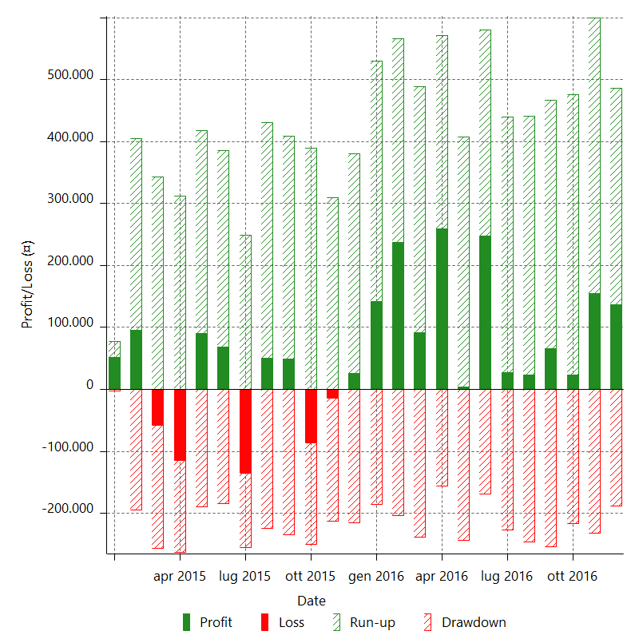

Monthly Returns & Drawdowns (%)

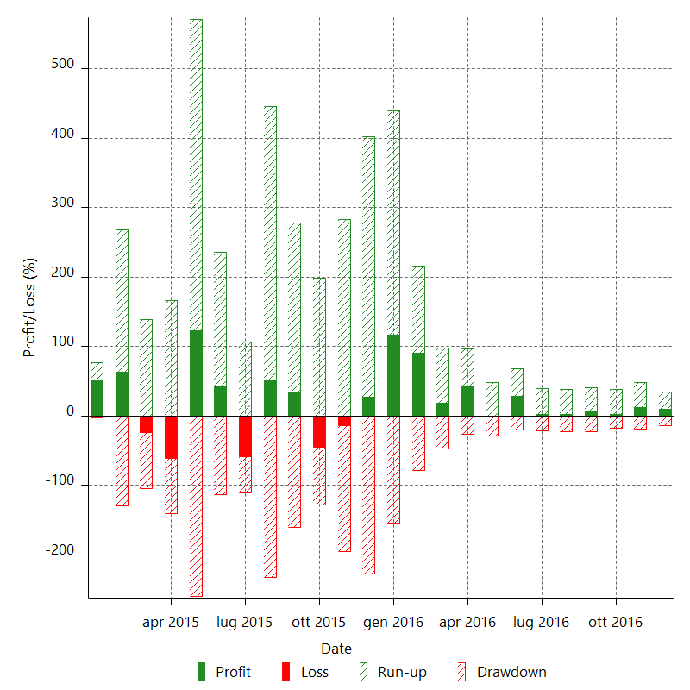

Monthly Accumulative Net Profit

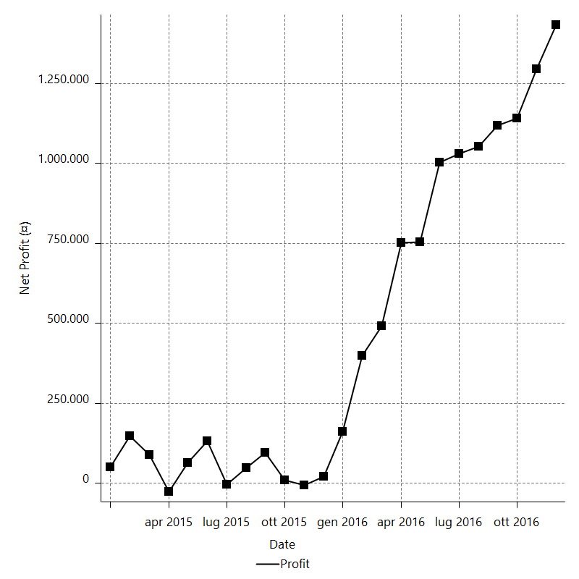

Average Profit By Month

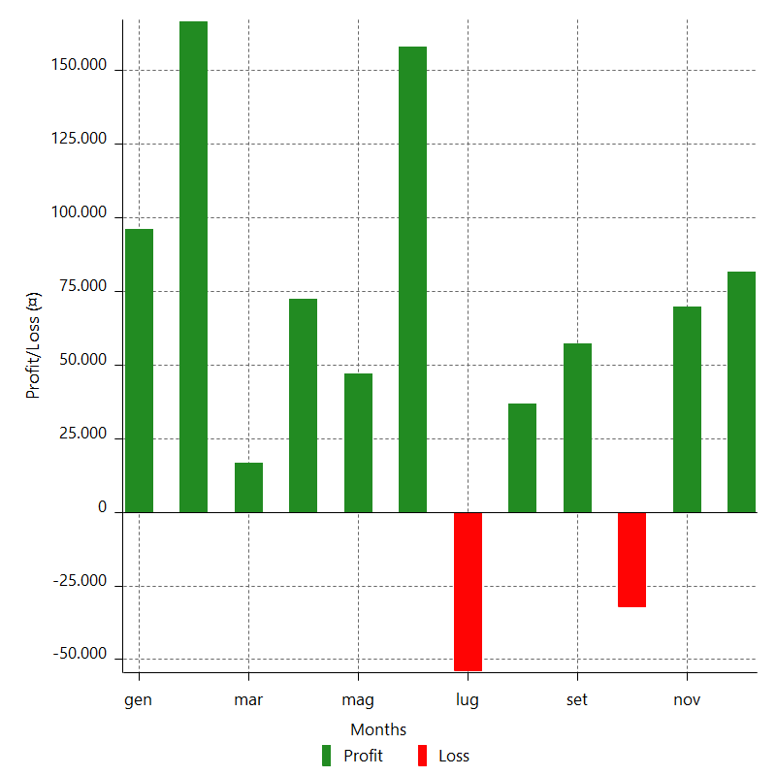

Annual Returns & Drawdowns

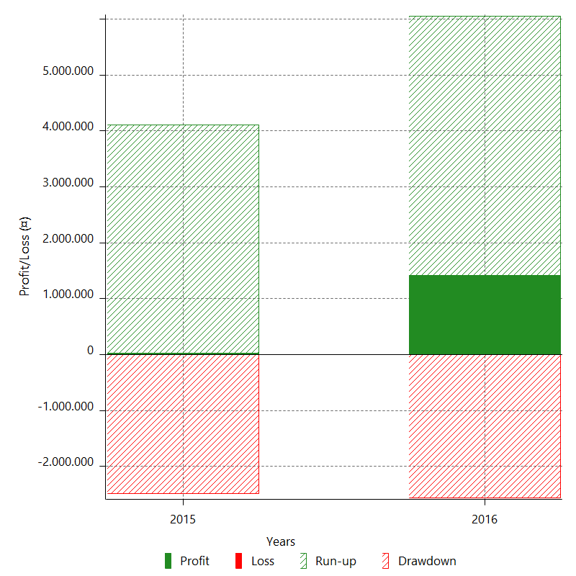

Annual Returns & Drawdowns (%)

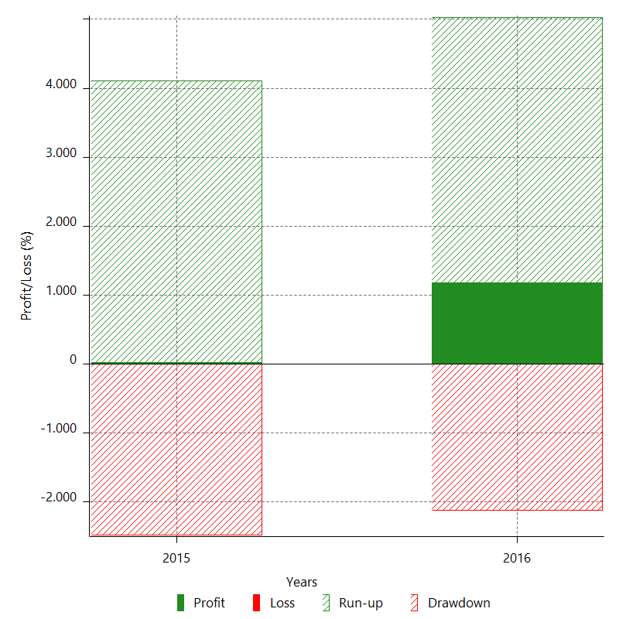

Annual Accumulative Net Profit

